Figure DQ2
FIGURE DQ2: NUMBER OF DISCREPANCIES FOUND BY CATEGORY

 | N of disc
PIM/PIM2 | 259
Admission | 81
Interventions | 46
Discharge | 16
Diagnosis | 3

Figure DQ3
FIGURE DQ3: NUMBER OF DISCREPANCIES FOUND BY VARIABLE

 | Number of discrepancies
Baseexcess | 47
Bpsys | 45
Lactate | 39
Pao2 | 27
Bgfirsthr | 26
Careareaad | 23
Invventday | 22
Previcuad | 21
Fio2 | 18
Pupreact | 15
Adtime | 15
Unitdistime | 14
Noninvventday | 13
Retrievalby | 10
Mechvent | 9
Cpapfirsthr | 8
Retrieval | 7
Intubation | 7
Electivead | 7
Noninvvent | 7
Headbox | 6
Primreason | 5
Invvent | 4
Primdiag | 3
Caseno | 3
Addate | 2
Unitdisdate | 2

DQ7
TABLE DQ7 COMPLETENESS FOR NHS NUMBER BY HEALTH ORGANISATION, 2010 - 2012

 |  | COMPLETE |  |  |  |  |  | INCOMPLETE
Organisation | Eligible | Valid |  | Exceptions |  | Total |  | Invalid |  | Blank |  | Total
 |  | n | (%) | n | (%) | n | (%) | n | (%) | n | (%) | n | (%)
A | 1831 | 1817 | (99.2) | 14 | (0.8) | 1831 | (100.0) | 0 | (0.0) | 0 | (0.0) | 0 | (0.0)
B | 832 | 831 | (99.9) | 1 | (0.1) | 832 | (100.0) | 0 | (0.0) | 0 | (0.0) | 0 | (0.0)
C | 846 | 846 | (100.0) | 0 | (0.0) | 846 | (100.0) | 0 | (0.0) | 0 | (0.0) | 0 | (0.0)
D | 2216 | 2211 | (99.8) | 5 | (0.2) | 2216 | (100.0) | 0 | (0.0) | 0 | (0.0) | 0 | (0.0)
E1 | 2890 | 2621 | (90.7) | 0 | (0.0) | 2621 | (90.7) | 269 | (9.3) | 0 | (0.0) | 269 | (9.3)
E2 | 2401 | 2178 | (90.7) | 0 | (0.0) | 2178 | (90.7) | 223 | (9.3) | 0 | (0.0) | 223 | (9.3)
F | 3670 | 3541 | (96.5) | 0 | (0.0) | 3541 | (96.5) | 0 | (0.0) | 129 | (3.5) | 129 | (3.5)
G | 83 | 83 | (100.0) | 0 | (0.0) | 83 | (100.0) | 0 | (0.0) | 0 | (0.0) | 0 | (0.0)
H | 1850 | 1327 | (71.7) | 523 | (28.3) | 1850 | (100.0) | 0 | (0.0) | 0 | (0.0) | 0 | (0.0)
I | 2461 | 2454 | (99.7) | 7 | (0.3) | 2461 | (100.0) | 0 | (0.0) | 0 | (0.0) | 0 | (0.0)
J | 78 | 64 | (82.1) | 0 | (0.0) | 64 | (82.1) | 0 | (0.0) | 14 | (17.9) | 14 | (17.9)
K1K3 | 1750 | 1472 | (84.1) | 206 | (11.8) | 1678 | (95.9) | 0 | (0.0) | 72 | (4.1) | 72 | (4.1)
K2 | 1012 | 1001 | (98.9) | 11 | (1.1) | 1012 | (100.0) | 0 | (0.0) | 0 | (0.0) | 0 | (0.0)
L | 982 | 981 | (99.9) | 0 | (0.0) | 981 | (99.9) | 0 | (0.0) | 1 | (0.1) | 1 | (0.1)
M | 1186 | 1182 | (99.7) | 4 | (0.3) | 1186 | (100.0) | 0 | (0.0) | 0 | (0.0) | 0 | (0.0)
N | 1037 | 1035 | (99.8) | 2 | (0.2) | 1037 | (100.0) | 0 | (0.0) | 0 | (0.0) | 0 | (0.0)
O | 2072 | 1182 | (57.0) | 890 | (43.0) | 2072 | (100.0) | 0 | (0.0) | 0 | (0.0) | 0 | (0.0)
P | 3448 | 3433 | (99.6) | 0 | (0.0) | 3433 | (99.6) | 1 | (0.0) | 14 | (0.4) | 15 | (0.4)
Q | 1666 | 1662 | (99.8) | 1 | (0.1) | 1663 | (99.8) | 2 | (0.1) | 1 | (0.1) | 3 | (0.2)
R | 2819 | 2735 | (97.0) | 84 | (3.0) | 2819 | (100.0) | 0 | (0.0) | 0 | (0.0) | 0 | (0.0)
S | 636 | 625 | (98.3) | 11 | (1.7) | 636 | (100.0) | 0 | (0.0) | 0 | (0.0) | 0 | (0.0)
T | 1518 | 1500 | (98.8) | 17 | (1.1) | 1517 | (99.9) | 0 | (0.0) | 1 | (0.1) | 1 | (0.1)
U | 936 | 936 | (100.0) | 0 | (0.0) | 936 | (100.0) | 0 | (0.0) | 0 | (0.0) | 0 | (0.0)
V | 3780 | 3780 | (100.0) | 0 | (0.0) | 3780 | (100.0) | 0 | (0.0) | 0 | (0.0) | 0 | (0.0)
W | 2042 | 2039 | (99.9) | 3 | (0.1) | 2042 | (100.0) | 0 | (0.0) | 0 | (0.0) | 0 | (0.0)
X | 2343 | 2335 | (99.7) | 6 | (0.3) | 2341 | (99.9) | 0 | (0.0) | 2 | (0.1) | 2 | (0.1)
Y | 1442 | 1437 | (99.7) | 5 | (0.3) | 1442 | (100.0) | 0 | (0.0) | 0 | (0.0) | 0 | (0.0)
Z | 1209 | 1101 | (91.1) | 108 | (8.9) | 1209 | (100.0) | 0 | (0.0) | 0 | (0.0) | 0 | (0.0)
ZA | 2810 | 2769 | (98.5) | 41 | (1.5) | 2810 | (100.0) | 0 | (0.0) | 0 | (0.0) | 0 | (0.0)
ZB | 1334 | 1323 | (99.2) | 11 | (0.8) | 1334 | (100.0) | 0 | (0.0) | 0 | (0.0) | 0 | (0.0)
Total | 53180 | 50501 | (95.0) | 1950 | (3.7) | 52451 | (98.6) | 495 | (0.9) | 234 | (0.4) | 729 | (1.4)

FIGURE DQ7 COMPLETENESS FOR NHS NUMBER BY HEALTH ORGANISATION, 2010 - 2012
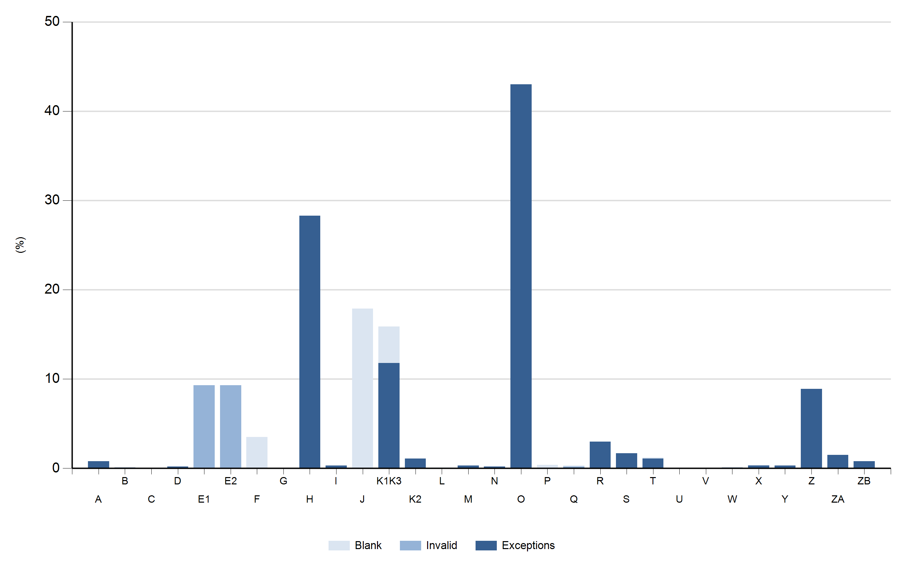

*J - The Lewisham Hospital NHS Trust stopped submitting data in August 2010.

* Red text highlights a pecentage of 95% or less

DQ8
TABLE DQ8 COMPLETENESS FOR 30 DAY FOLLOW - UP BY HEALTH ORGANISATION, 2010 - 2012

 |  | COMPLETE |  |  |  |  |  | INCOMPLETE
Organisation | Eligible | Valid |  | Not Known |  | Exceptions |  | Blank
 |  | n | (%) | n | (%) | n | (%) | n | (%)
A | 1788 | 1 | (0.1) | 0 | (0.0) | 1787 | (99.9) | 0 | (0.0)
B | 833 | 547 | (65.7) | 0 | (0.0) | 286 | (34.3) | 0 | (0.0)
C | 813 | 813 | (100.0) | 0 | (0.0) | 0 | (0.0) | 0 | (0.0)
D | 2103 | 1794 | (85.3) | 0 | (0.0) | 308 | (14.6) | 1 | (0.0)
E1 | 2677 | 0 | (0.0) | 0 | (0.0) | 2677 | (100.0) | 0 | (0.0)
E2 | 2321 | 0 | (0.0) | 0 | (0.0) | 2321 | (100.0) | 0 | (0.0)
F | 3608 | 3608 | (100.0) | 0 | (0.0) | 0 | (0.0) | 0 | (0.0)
G | 77 | 77 | (100.0) | 0 | (0.0) | 0 | (0.0) | 0 | (0.0)
H | 1765 | 8 | (0.5) | 0 | (0.0) | 1757 | (99.5) | 0 | (0.0)
I | 2373 | 2373 | (100.0) | 0 | (0.0) | 0 | (0.0) | 0 | (0.0)
J | 77 | 62 | (80.5) | 0 | (0.0) | 0 | (0.0) | 15 | (19.5)
K1K3 | 1691 | 19 | (1.1) | 0 | (0.0) | 1665 | (98.5) | 7 | (0.4)
K2 | 1005 | 783 | (77.9) | 0 | (0.0) | 222 | (22.1) | 0 | (0.0)
L | 963 | 946 | (98.2) | 0 | (0.0) | 12 | (1.2) | 5 | (0.5)
M | 1140 | 1035 | (90.8) | 0 | (0.0) | 105 | (9.2) | 0 | (0.0)
N | 992 | 3 | (0.3) | 0 | (0.0) | 989 | (99.7) | 0 | (0.0)
O | 2043 | 11 | (0.5) | 0 | (0.0) | 2032 | (99.5) | 0 | (0.0)
P | 3265 | 3214 | (98.4) | 0 | (0.0) | 1 | (0.0) | 50 | (1.5)
Q | 1617 | 1567 | (96.9) | 0 | (0.0) | 49 | (3.0) | 1 | (0.1)
R | 2747 | 2667 | (97.1) | 0 | (0.0) | 80 | (2.9) | 0 | (0.0)
S | 627 | 627 | (100.0) | 0 | (0.0) | 0 | (0.0) | 0 | (0.0)
T | 1477 | 448 | (30.3) | 0 | (0.0) | 921 | (62.4) | 108 | (7.3)
U | 907 | 9 | (1.0) | 0 | (0.0) | 898 | (99.0) | 0 | (0.0)
V | 3777 | 0 | (0.0) | 0 | (0.0) | 3777 | (100.0) | 0 | (0.0)
W | 1943 | 1943 | (100.0) | 0 | (0.0) | 0 | (0.0) | 0 | (0.0)
X | 2275 | 1801 | (79.2) | 0 | (0.0) | 452 | (19.9) | 22 | (1.0)
Y | 1408 | 1387 | (98.5) | 0 | (0.0) | 21 | (1.5) | 0 | (0.0)
Z | 1187 | 0 | (0.0) | 0 | (0.0) | 1187 | (100.0) | 0 | (0.0)
ZA | 2774 | 3 | (0.1) | 0 | (0.0) | 2771 | (99.9) | 0 | (0.0)
ZB | 1297 | 1297 | (100.0) | 0 | (0.0) | 0 | (0.0) | 0 | (0.0)
ZC | 2953 | 2821 | (95.5) | 0 | (0.0) | 88 | (3.0) | 44 | (1.5)
ZD | 1452 | 1383 | (95.2) | 0 | (0.0) | 68 | (4.7) | 1 | (0.1)
ZE | 999 | 4 | (0.4) | 0 | (0.0) | 995 | (99.6) | 0 | (0.0)
Total | 56974 | 31251 | (54.9) | 0 | (0.0) | 25469 | (44.7) | 254 | (0.4)

FIGURE DQ8 COMPLETENESS FOR 30 DAY FOLLOW - UP BY HEALTH ORGANISATION, 2010 - 2012
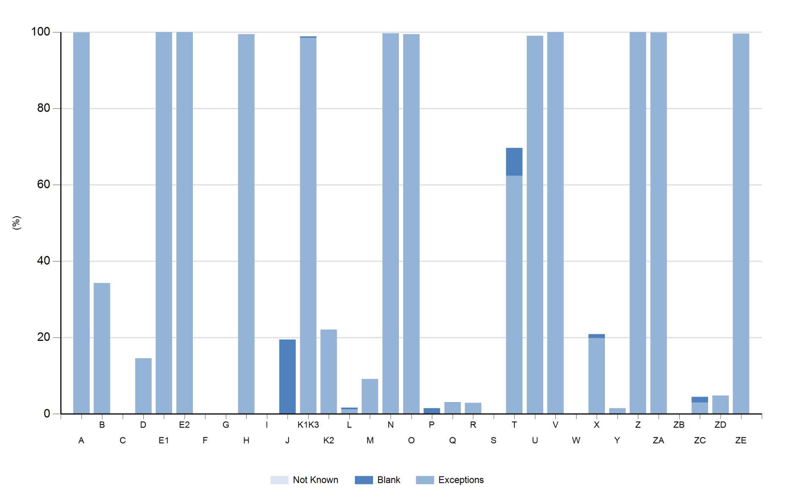

*J - The Lewisham Hospital NHS Trust stopped submitting data in August 2010.

