1
TABLE 1 ADMISSIONS BY AGE AND SEX, 2018 - 2020
Table 1 presents the number of admissions to PICU between 2018 and 2020, by sex and age group.
Rows in this table show the number of male and female admissions, and the total number admitted to PICU in the reporting period, for age group.
The percentages in the "Male" and "Female" columns show row percentages, i.e. what proportion of admissions were male and what proportion were female, for each age group. The percentages in the 'Total' column show column percentages, i.e. what proportion of all admissions were accounted for by each age group.
Age Years | Male | Male (%) | Female | Female (%) | Unknown | Unknown (%) | Total | Total (%)
<1 month | 4,671 | (59.7) | 3,151 | (40.3) | 0 | (0.0) | 7,822 | (32.1)
1-2 months | 3,326 | (59.9) | 2,228 | (40.1) | 0 | (0.0) | 5,554 | (22.8)
3-5 months | 2,960 | (57.1) | 2,225 | (42.9) | 0 | (0.0) | 5,185 | (21.3)
6-11 months | 3,449 | (59.4) | 2,361 | (40.6) | 0 | (0.0) | 5,810 | (23.8)
Under 1 year total | 14,406 | (59.1) | 9,965 | (40.9) | 0 | (0.0) | 24,371 | (41.5)
1-4 years | 8,205 | (56.0) | 6,440 | (44.0) | 0 | (0.0) | 14,645 | (25.7)
5-10 years | 5,219 | (56.5) | 4,021 | (43.5) | 0 | (0.0) | 9,240 | (16.2)
11-15 years | 4,588 | (52.4) | 4,163 | (47.6) | 0 | (0.0) | 8,751 | (15.4)
Under 16 years total | 32,418 | (56.9) | 24,589 | (43.1) | 0 | (0.0) | 57,007 | (97.1)
16-17 years | 823 | (54.5) | 686 | (45.5) | 0 | (0.0) | 1,509 | (87.9)
18+ years | 121 | (58.5) | 86 | (41.5) | 0 | (0.0) | 207 | (12.1)
Over 16 years total | 944 | (55.0) | 772 | (45.0) | 0 | (0.0) | 1,716 | (2.9)
2018-2020 Total | 33,362 | (56.8) | 25,361 | (43.2) | 0 | (0.0) | 58,723

Notes
1) Admissions where the patient is of ambiguous sex are not presented (n=2)
2) Under 1 year subtotal row represents all children under one year
3) Under 16 year subtotal row represents all children under 16 years of age including those children under one year

FIGURE 1 ADMISSIONS BY AGE AND SEX, 2018 - 2020
Figure 1 shows the number of admissions by gender for each age group in a bar chart.
The blue bars show the number of admissions for males and the grey bars shows the number of admissions for female. The taller the bar, the more admissions are represented.
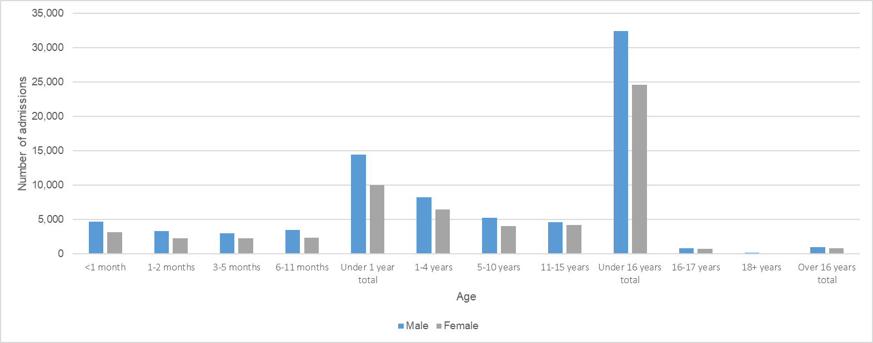

Notes
1) Admissions where the child is of ambiguous sex are not presented (n=2)
2) Under 1 year subtotal columns represents all children under one year
3) Under 16 year subtotal column represents all children under 16 years of age including those children under one year

3
TABLE 3 ADMISSIONS BY MONTH AND AGE
Table 3 presents the number of children (<16 years) admitted to PICU, for each year of the reporting period, by age group in years and month of admission. Rows of this table show the number of children admitted to PICU, in each age group, in each month, of each reporting year. The final column shows the total number of admissions in each month of each reporting period. The percentages in the white columns show row percentages, i.e. what proportion of all admissions, in a given month of a given year, were for children in each age category. The percentages in the 'Total' column show column percentages, i.e. what proportion of admissions for a specific year occurred in each month.

Year | Month | Month | <1 |  | 1-4 |  | 5-10 |  | 11-15 |  | Total
 |  |  | n | (%) | n | (%) | n | (%) | n | (%) | n | (%)
2018 | 2017 | 1 | 850 | (45.5) | 464 | (24.8) | 300 | (16.0) | 256 | (13.7) | 1,870 | (9.3)
2017 |  | 2 | 683 | (44.2) | 398 | (25.8) | 233 | (15.1) | 230 | (14.9) | 1,544 | (7.7)
2017 |  | 3 | 727 | (41.2) | 470 | (26.6) | 305 | (17.3) | 262 | (14.9) | 1,764 | (8.7)
2017 |  | 4 | 635 | (39.0) | 472 | (29.0) | 275 | (16.9) | 245 | (15.1) | 1,627 | (8.1)
2017 |  | 5 | 722 | (42.8) | 456 | (27.0) | 269 | (15.9) | 241 | (14.3) | 1,688 | (8.4)
2017 |  | 6 | 658 | (42.4) | 394 | (25.4) | 261 | (16.8) | 240 | (15.5) | 1,553 | (7.7)
2017 |  | 7 | 638 | (40.4) | 427 | (27.0) | 253 | (16.0) | 261 | (16.5) | 1,579 | (7.8)
2017 |  | 8 | 633 | (40.6) | 410 | (26.3) | 229 | (14.7) | 289 | (18.5) | 1,561 | (7.7)
2017 |  | 9 | 622 | (39.4) | 437 | (27.7) | 257 | (16.3) | 264 | (16.7) | 1,580 | (7.8)
2017 |  | 10 | 741 | (40.7) | 492 | (27.0) | 292 | (16.0) | 296 | (16.3) | 1,821 | (9.0)
2017 |  | 11 | 897 | (48.9) | 468 | (25.5) | 260 | (14.2) | 209 | (11.4) | 1,834 | (9.1)
2017 |  | 12 | 931 | (52.9) | 405 | (23.0) | 227 | (12.9) | 196 | (11.1) | 1,759 | (8.7)
2018 |  | Total | 8,737 | (43.3) | 5,293 | (26.2) | 3,161 | (15.7) | 2,989 | (14.8) | 20,180
2019 | 2018 | 1 | 815 | (46.9) | 433 | (24.9) | 271 | (15.6) | 219 | (12.6) | 1,738 | (8.5)
2018 |  | 2 | 675 | (41.8) | 482 | (29.8) | 238 | (14.7) | 221 | (13.7) | 1,616 | (7.9)
2018 |  | 3 | 718 | (40.8) | 498 | (28.3) | 276 | (15.7) | 269 | (15.3) | 1,761 | (8.6)
2018 |  | 4 | 676 | (40.3) | 472 | (28.1) | 282 | (16.8) | 247 | (14.7) | 1,677 | (8.2)
2018 |  | 5 | 668 | (41.0) | 437 | (26.8) | 280 | (17.2) | 243 | (14.9) | 1,628 | (8.0)
2018 |  | 6 | 619 | (39.3) | 414 | (26.3) | 265 | (16.8) | 278 | (17.6) | 1,576 | (7.7)
2018 |  | 7 | 628 | (38.6) | 411 | (25.3) | 308 | (19.0) | 278 | (17.1) | 1,625 | (8.0)
2018 |  | 8 | 593 | (38.7) | 408 | (26.6) | 301 | (19.6) | 231 | (15.1) | 1,533 | (7.5)
2018 |  | 9 | 630 | (38.9) | 457 | (28.2) | 278 | (17.1) | 256 | (15.8) | 1,621 | (7.9)
2018 |  | 10 | 676 | (38.9) | 477 | (27.4) | 294 | (16.9) | 291 | (16.7) | 1,738 | (8.5)
2018 |  | 11 | 945 | (48.8) | 488 | (25.2) | 271 | (14.0) | 233 | (12.0) | 1,937 | (9.5)
2018 |  | 12 | 1,009 | (51.7) | 428 | (21.9) | 282 | (14.5) | 231 | (11.8) | 1,950 | (9.6)
2019 |  | Total | 8,652 | (42.4) | 5,405 | (26.5) | 3,346 | (16.4) | 2,997 | (14.7) | 20,400
2020 | 2019 | 1 | 777 | (46.1) | 384 | (22.8) | 266 | (15.8) | 257 | (15.3) | 1,684 | (10.3)
2019 |  | 2 | 641 | (39.1) | 463 | (28.2) | 279 | (17.0) | 258 | (15.7) | 1,641 | (10.0)
2019 |  | 3 | 652 | (46.2) | 350 | (24.8) | 204 | (14.4) | 206 | (14.6) | 1,412 | (8.6)
2019 |  | 4 | 444 | (46.5) | 205 | (21.5) | 152 | (15.9) | 154 | (16.1) | 955 | (5.8)
2019 |  | 5 | 518 | (46.5) | 252 | (22.6) | 171 | (15.4) | 172 | (15.5) | 1,113 | (6.8)
2019 |  | 6 | 539 | (43.6) | 294 | (23.8) | 210 | (17.0) | 192 | (15.5) | 1,235 | (7.5)
2019 |  | 7 | 559 | (42.2) | 306 | (23.1) | 208 | (15.7) | 252 | (19.0) | 1,325 | (8.1)
2019 |  | 8 | 526 | (40.2) | 298 | (22.7) | 238 | (18.2) | 248 | (18.9) | 1,310 | (8.0)
2019 |  | 9 | 570 | (38.0) | 374 | (24.9) | 300 | (20.0) | 256 | (17.1) | 1,500 | (9.1)
2019 |  | 10 | 614 | (42.6) | 322 | (22.4) | 255 | (17.7) | 249 | (17.3) | 1,440 | (8.8)
2019 |  | 11 | 547 | (38.5) | 369 | (26.0) | 228 | (16.1) | 275 | (19.4) | 1,419 | (8.6)
2019 |  | 12 | 597 | (42.8) | 330 | (23.7) | 222 | (15.9) | 246 | (17.6) | 1,395 | (8.5)
2020 |  | Total | 6,984 | (42.5) | 3,947 | (24.0) | 2,733 | (16.6) | 2,765 | (16.8) | 16,429
Grand |  | Total | 24,373 | (42.8) | 14,645 | (25.7) | 9,240 | (16.2) | 8,751 | (15.4) | 57,009

Notes
1) Admissions where the child is of ambiguous sex are not presented (n=2)

FIGURE 3 ADMISSIONS BY MONTH AND AGE
Figure 3 shows the number of children (<16 years) admitted to PICU in each age group across time over the reporting period.
Each line represents a different age group and the number of admissions over time is plotted. The higher the line reaches, the more admissions are represented.
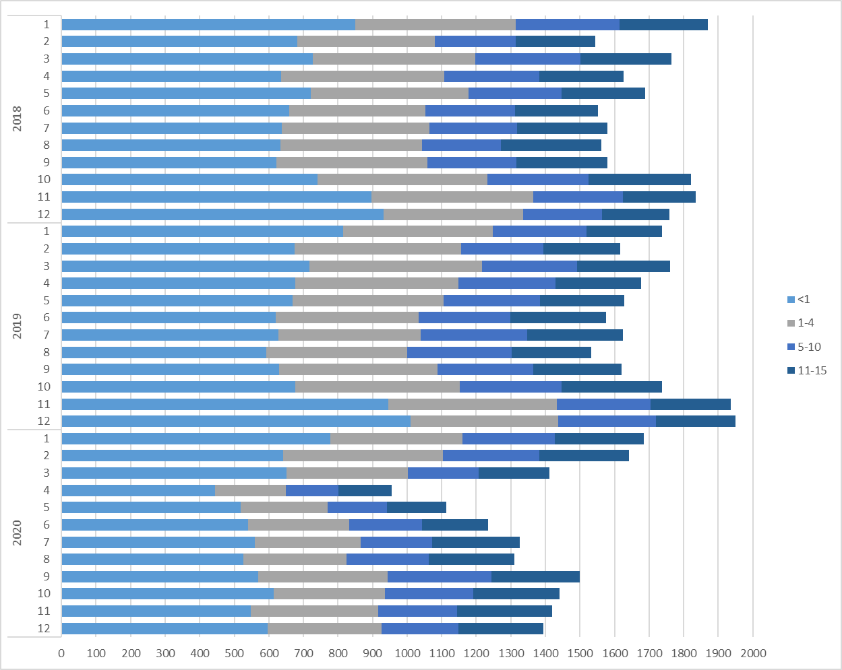

4
TABLE 4 ADMISSIONS BY MONTH AND PRIMARY DIAGNOSTIC GROUP
Table 4 presents the number of children (<16 years) admitted to PICU, for each year of the reporting period, by primary diagnosis group and month of admission.
Rows in this table show the number of admissions to PICU with a primary diagnosis falling into each of the diagnostic groups, in each month of each year. In the 'Total' column, the total number of admissions to PICUs in each month of each year is given.
...
2020 | Total | 3,539 | (21.5) | 4,827 | (29.4) | 1,900 | (11.6) | 1,189 | (7.2) | 798 | (4.9) | 708 | (4.3) | 781 | (4.8) | 805 | (4.8) | 1,874 | (11.4) | 8 | (0.0) | 16,429 | (28.8)
Grand | Total | 15,676 | (27.5) | 15,496 | (27.2) | 6,515 | (11.4) | 3,628 | (6.4) | 2,988 | (5.2) | 2,571 | (4.5) | 2,435 | (4.3) | 2,079 | (4.3) | 5,605 | (9.8) | 16 | (0.0) | 57,009

Notes
1) Primary diagnosis group classification is based on CTV3 (The Read Codes). Further information on the primary diagnostic groups can be found in the Data Description Document.
2) Diagnosis groups presented this year have been reduced to the top 8 diagnosis groups plus admissions from all other primary diagnosis groups added to the 'Other' group and Unknown primary diagnosis group.
3) Diagnosis groups represented by other are: Blood / lymphatic, Body wall and cavities, Trauma, Multisystem and Other

FIGURE 4 ADMISSIONS BY MONTH AND PRIMARY DIAGNOSTIC GROUP
Figure 4 shows the number of admissions to PICU in the top 8 most commonly occurring diagnostic groups across time over the reporting period; Each graph represents a different diagnostic group, each column represents a year and month combination for the diagnosis group.
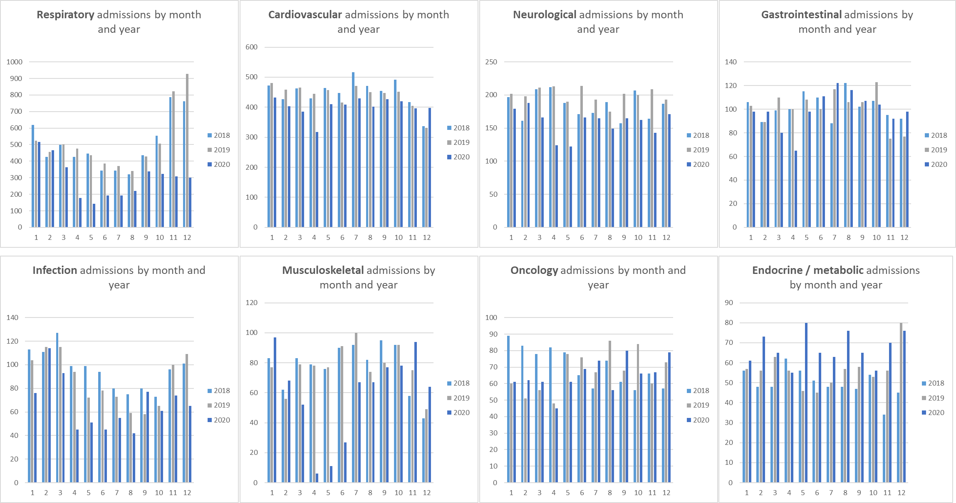

Notes
1) Primary diagnosis group classification is based on CTV3 (The Read Codes). Further information on the primary diagnostic groups can be found in the Data Description Document.

5
...
TABLE 5 RESPIRATORY ADMISSIONS BY MONTH AND AGE
2019 | 11 | 133 | (43.2) | 107 | (34.7) | 40 | (13.0) | 28 | (9.1) | 308 | (8.7)
2019 | 12 | 133 | (44.2) | 102 | (33.9) | 37 | (12.3) | 29 | (9.6) | 301 | (8.5)
2020 | Total | 1,632 | (46.1) | 1,021 | (28.8) | 525 | (14.8) | 361 | (10.2) | 3,539 | (22.6)
Grand | Total | 7,526 | (48.0) | 4,659 | (29.7) | 2,104 | (13.4) | 1,387 | (8.8) | 15,676

Notes
1) Primary diagnosis group classification is based on CTV3 (The Read Codes). Further information on the primary diagnostic groups can be found in the Data Description Document.

FIGURE 5 RESPIRATORY ADMISSIONS BY MONTH AND AGE
Figure 5 shows the number of respiratory admissions to PICU across time over the reporting period. Each series represents a different age group and the number of respiratory admissions over time is plotted. The larger the bar, the more admissions are represented.
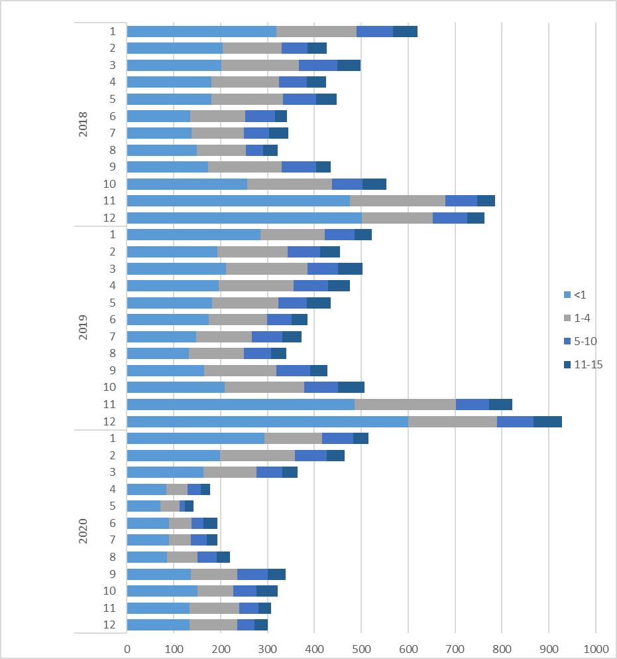

9
...
TABLE 9 ADMISSIONS BY ADMISSION TYPE AND AGE, 2018 - 2020
Unplanned - following surgery | 940 | (33.1) | 833 | (29.4) | 546 | (19.3) | 517 | (18.2) | 2,836 | (5.0)
Planned - other | 1,914 | (54.8) | 670 | (19.2) | 445 | (12.7) | 466 | (13.3) | 3,495 | (6.1)
Unplanned - other | 14,023 | (44.9) | 7,925 | (25.4) | 4,904 | (15.7) | 4,392 | (14.1) | 31,244 | (54.8)
Total | 24,373 | (42.8) | 14,645 | (25.7) | 9,240 | (16.2) | 8,751 | (15.4) | 57,009

Notes
1) Further information on the definition of each admission type can be found in the Data Description Document.

FIGURE 9 ADMISSIONS BY ADMISSION TYPE AND AGE, 2018 - 2020
Figure 9 presents the number of admissions to PICU for children (<16 years), by admission type and age group in years. The higher the bar, the more admissions are represented.
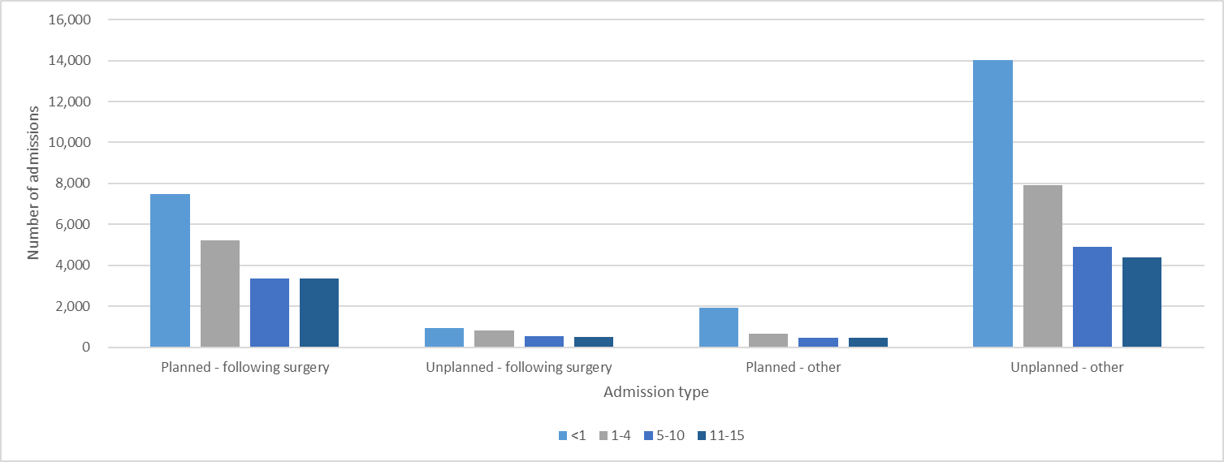

Notes
1) Further information on the definition of each admission type can be found in the Data Description Document.

Fig10
FIGURE 10 ADMISSIONS BY ADMISSION TYPE, BY HEALTH ORGANISATION, 2018 - 2020

Figure 10 shows the number of admissions to PICU falling into each admission category, by organisation, over the three years of the reporting period combined. The larger the bar, the more admissions were accounted for by the corresponding admission type.

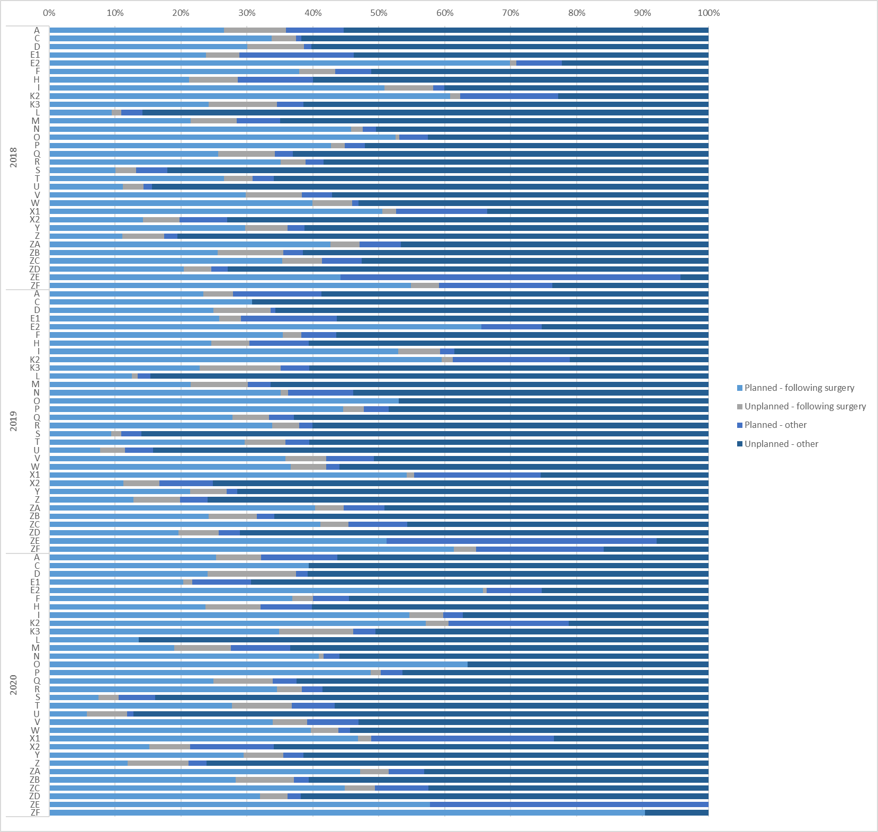

Notes
1) Further information on the definition of each admission type can be found in the Data Description Document.

Fig11
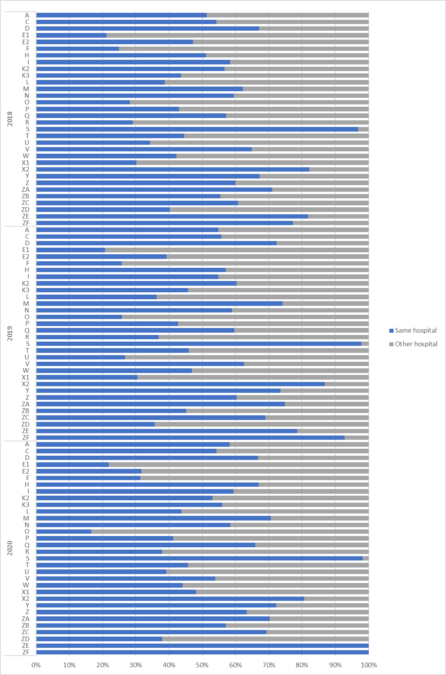
FIGURE 11 ADMISSIONS BY SOURCE OF ADMISSION (ADMISSION TYPE UNPLANNED - OTHER), BY HEALTH ORGANISATION, 2018 - 2020
Figure 11 shows the number of admissions to PICU from each admission source, by organisation, over the three years of the reporting period, for patients with an "unplanned - other" admission type. The larger the bar, the more admissions were accounted for by the corresponding source of admission.

Notes
1) Further information on the definition of each admission type can be found in the Data Description Document.
2) "Unplanned, other" admissions of unknown source type are excluded from this figure (n=3)

Fig12
FIGURE 12 ADMISSIONS BY CARE AREA ADMITTED FROM (ADMISSION TYPE UNPLANNED - OTHER; ADMITTED FROM HOSPITAL), BY HEALTH ORGANISATION, 2018 - 2020
Figure 12 shows the number of admissions to PICU from each admission source, by organisation, over the reporting period, for patients with an "unplanned - other" admission type who were admitted from hospital (either the same hospital or another hospital).

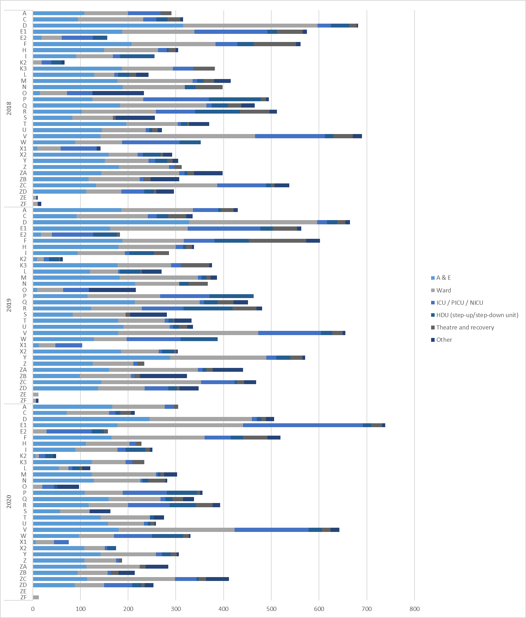

Notes
1) Further information on the definition of each admission type can be found in the Data Description Document.
2) Other includes care areas reported as "Other" and also includes: recovery only; x-ray, endoscopy, CT scanner or similar; and unknown admissions sources.

13
...
TABLE 13 ADMISSIONS BY PRIMARY DIAGNOSTIC GROUP AND AGE, 2018 - 2020
Total | 24,373 | (41.5) | 14,645 | (24.9) | 9,238 | (15.7) | 8,749 | (14.9) | 57,009 | (97.1) | 1,716 | (2.9) | 58,725

Notes
1) Primary diagnosis group classification is based on CTV3 (The Read Codes). Further information on the primary diagnostic groups can be found in the Data Description Document.
2) Row totals and the grand total include suppressed values. Column totals exclude suppressed values.

FIGURE 13 ADMISSIONS BY PRIMARY DIAGNOSTIC GROUP, 2018 - 2020
Figure 13 presents the proportion of admissions in each diagnostic group and age group in the reporting period. The higher the bar, the larger the proportion of admissions represented.

