19
TABLE 19 RETRIEVALS / TRANSFERS BY TEAM TYPE AND AGE
Table 19 presents the number of retrievals/transfers for each year of the reporting period, by transport team type and age group in years.
Rows in this table show the number of retrieval/transfers by each transport team type, for children falling into each age category, in the reporting period. The 'Total' column shows the number of retrieval/transfers for each transport team type in each year of the reporting period.
The percentages in the white columns show row percentages, i.e. what proportion of all retrievals/transfer were in each age category for each transport team type in each year. The percentages in the 'Total' column show column percentages, i.e. what proportion of retrievals/transfers for a specific year were undertaken by each type of transport team.
Year | Transport organisation type | <1 | <1 (%) | 1-4 | 1-4 (%) | 5-10 | 5-10 (%) | 11-15 | 11-15 (%) | Total | Total (%)
2018 | Centralised transport service (PIC) | 2,625 | (54.3) | 1,190 | (24.6) | 583 | (12.1) | 440 | (9.1) | 4,838 | (79.8)
2018 | Non-specialist team | 122 | (31.6) | 109 | (28.2) | 86 | (22.3) | 69 | (17.9) | 386 | (6.4)
2018 | Other specialist team | 79 | (49.1) | 33 | (20.5) | 20 | (12.4) | 29 | (18.0) | 161 | (2.7)
2018 | PICU | 34 | (60.7) | 7 | (12.5) | 9 | (16.1) | 6 | (10.7) | 56 | (0.9)
2018 | Transport team from neonates | 591 | (98.5) | 9 | (1.5) | 0 | (0.0) | 0 | (0.0) | 600 | (9.9)
2018 | Unknown | 18 | (75.0) |  |  | 4 | (16.7) |  |  | 24 | (0.4)
2018 | Total | 3,469 | (57.2) | 1,348 | (22.2) | 702 | (11.6) | 544 | (9.0) | 6,065 | (35.9)
2019 | Centralised transport service (PIC) | 2,519 | (51.3) | 1,240 | (25.3) | 633 | (12.9) | 515 | (10.5) | 4,907 | (81.1)
2019 | Non-specialist team | 104 | (28.7) | 100 | (27.6) | 68 | (18.8) | 90 | (24.9) | 362 | (6.0)
2019 | Other specialist team | 66 | (37.9) | 48 | (27.6) | 23 | (13.2) | 37 | (21.3) | 174 | (2.9)
2019 | PICU | 27 | (56.3) | 14 | (29.2) | 4 | (8.3) | 3 | (6.3) | 48 | (0.8)
2019 | Transport team from neonates | 528 | (98.5) | 3 | (0.6) | 5 | (0.9) | 0 | (0.0) | 536 | (8.9)
2019 | Unknown | 15 | (68.2) | 4 | (18.2) |  |  |  |  | 22 | (0.4)
2019 | Total | 3,259 | (53.9) | 1,409 | (23.3) | 733 | (12.1) | 645 | (10.7) | 6,049 | (35.8)
2020 | Centralised transport service (PIC) | 1,769 | (49.3) | 789 | (22.0) | 545 | (15.2) | 487 | (13.6) | 3,590 | (75.1)
2020 | Non-specialist team | 71 | (24.3) | 67 | (22.9) | 79 | (27.1) | 75 | (25.7) | 292 | (6.1)
2020 | Other specialist team | 82 | (45.6) | 36 | (20.0) | 27 | (15.0) | 35 | (19.4) | 180 | (3.8)
2020 | PICU | 23 | (48.9) | 5 | (10.6) | 11 | (23.4) | 8 | (17.0) | 47 | (1.0)
2020 | Transport team from neonates | 650 | (99.5) | 0 | (0.0) |  |  |  |  | 653 | (13.7)
2020 | Unknown | 5 | (26.3) | 4 | (21.1) | 4 | (21.1) | 6 | (31.6) | 19 | (0.4)
2020 | Total | 2,600 | (54.4) | 901 | (18.8) | 666 | (13.9) | 611 | (12.8) | 4,781 | (28.3)
Grand | Total | 9,328 | (55.2) | 3,658 | (21.7) | 2,101 | (12.4) | 1,800 | (10.7) | 16,895

Notes
1) Further information on the definition of each transport team category can be found in the Data Description Document.
2) Based on retrieval and transfer data from the admissions dataset
3) Row totals and the grand total include suppressed values. Column totals exclude suppressed values

FIGURE 19a, 19b, 19c RETRIEVALS / TRANSFERS BY TEAM TYPE AND AGE, 2018 - 2020
Figures 19a, 19b and 19c show the number of retrievals/transfers by age for each type of transport team in turn.
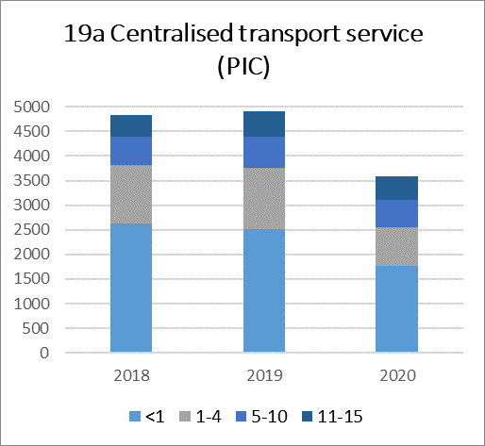
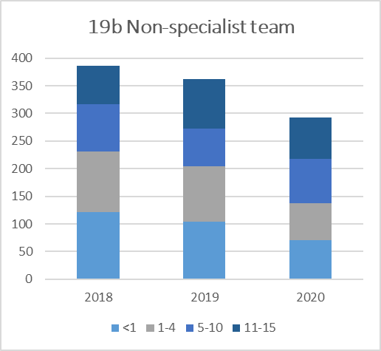
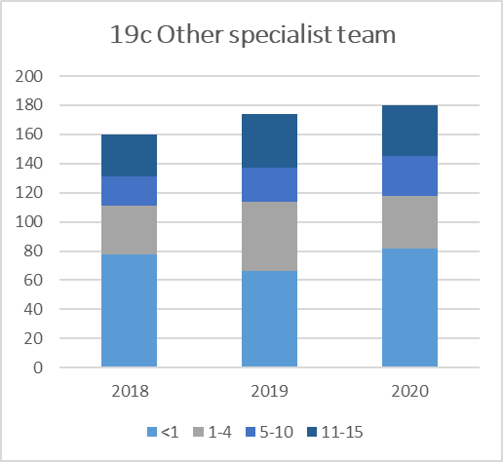

Notes
1) Further information on the definition of each transport team category can be found in the Data Description Document.
2) Based on retrieval and transfer data from the admissions dataset

20
TABLE 20 SPECIALIST TEAM RETRIEVALS / TRANSFERS BY DIAGNOSTIC GROUP AND AGE, 2018 - 2020
Table 20 presents the number of retrievals/transfers by specialist teams, by diagnostic group and age group in years, for the three years of the reporting period combined.
Rows in this table show the number of retrieval/transfers by specialist teams, for children falling into each age category and diagnostic grouping, in the reporting period. The 'Total' column shows the number of retrieval/transfers by specialist teams, for each diagnostic group, in the reporting period.
The percentages in the white columns show row percentages, i.e. what proportion of all retrievals/transfer made by specialist transport teams for a given diagnostic group, were for children in each age category. The percentages in the 'Total' column show column percentages, i.e. what proportion of retrievals/transfers undertaken by specialist teams were in each diagnostic group.
Diagnostic group | <1 | <1 (%) | 1-4 | 1-4 (%) | 5-10 | 5-10 (%) | 11-15 | 11-15 (%) | Total | Total (%)
Respiratory | 3,417 | (59.4) | 1,359 | (23.6) | 569 | (9.9) | 408 | (7.1) | 5,753 | (36.4)
Cardiovascular | 2,403 | (80.2) | 246 | (8.2) | 147 | (4.9) | 201 | (6.7) | 2,997 | (19.0)
Neurological | 696 | (28.7) | 904 | (37.3) | 521 | (21.5) | 304 | (12.5) | 2,425 | (15.4)
Gastrointestinal | 842 | (79.9) | 74 | (7.0) | 75 | (7.1) | 63 | (6.0) | 1,054 | (6.7)
Infection | 668 | (51.9) | 327 | (25.4) | 157 | (12.2) | 136 | (10.6) | 1,288 | (8.2)
Musculoskeletal | 22 | (44.9) | 7 | (14.3) | 6 | (12.2) | 14 | (28.6) | 49 | (0.3)
Oncology | 59 | (27.4) | 61 | (28.4) | 55 | (25.6) | 40 | (18.6) | 215 | (1.4)
Endocrine / metabolic | 218 | (32.2) | 139 | (20.5) | 160 | (23.6) | 161 | (23.7) | 678 | (4.3)
Other | 666 | (50.2) | 256 | (19.3) | 171 | (12.9) | 234 | (17.6) | 1327 | (8.4)
Unknown |  |  |  |  |  |  | 0 | (0.0) | 4 | (0.0)
Grand Total | 8,991 | (56.9) | 3,373 | (21.4) | 1,861 | (11.8) | 1,561 | (9.9) | 15,790

Notes
1) Specialist teams are defined at CTS, PICU, Transport team from neonates and other specialist teams
2) Primary diagnosis group classification is based on CTV3 (The Read Codes). Further information on the primary diagnostic groups can be found in the Data Description Document.
3) Further information on the definition of each transport team category can be found in the Data Description Document.
4) Based on retrieval and transfer data from the admissions dataset
5) 'Other' includes a mixture of diagnoses but also some coding where a non-diagnostic Read code was given e.g. 'Post-surgical wound care', this practice varies by organisation. Additionally this year we have added Blood / lymphatic, Body wall and cavities, Trauma, Multisystem to other

FIGURE 20 SPECIALIST TEAM RETRIEVALS / TRANSFERS BY DIAGNOSTIC GROUP AND AGE, 2018 - 2020
Figure 20 shows the number of retrievals/transfers by specialist teams, in each diagnostic group, for the three years of the reporting period combined.
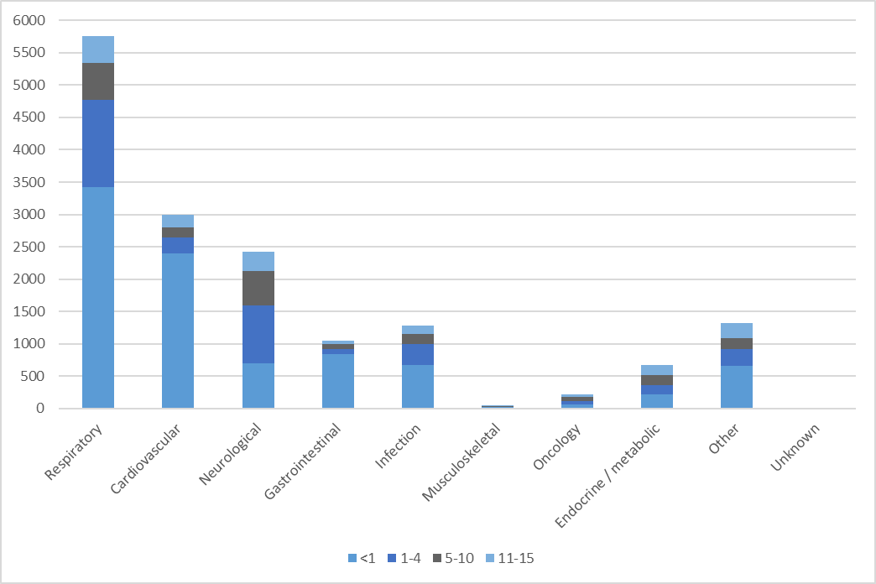

Notes
1) Specialist teams are defined at CTS, PICU, Transport team from neonates and other specialist teams
2) Primary diagnosis group classification is based on CTV3 (The Read Codes). Further information on the primary diagnostic groups can be found in the Data Description Document.
3) Further information on the definition of each transport team category can be found in the Data Description Document.
4) Based on retrieval and transfer data from the admissions dataset
5) 'Other' includes a mixture of diagnoses but also some coding where a non-diagnostic Read code was given e.g. 'Post-surgical wound care', this practice varies by organisation.

21
TABLE 21 NON - SPECIALIST TEAM RETRIEVALS / TRANSFERS BY DIAGNOSTIC GROUP AND AGE, 2018 - 2020
Table 21 presents the number of retrievals/transfers by non-specialist teams, by diagnostic group and age group in years, for the three years of the reporting period combined.
Rows in this table show the number of retrieval/transfers by non-specialist teams, for children falling into each age category and diagnostic grouping, in the reporting period. The 'Total' column shows the number of retrieval/transfers by non-specialist teams, for each diagnostic group, in the reporting period.
The percentages in the white columns show row percentages, i.e. what proportion of all retrievals/transfer made by non-specialist transport teams for a given diagnostic group, were for children in each age category. The percentages in the 'Total' column show column percentages, i.e. what proportion of retrievals/transfers undertaken by non-specialist teams were in each diagnostic group.
Diagnostic group | <1 | <1 (%) | 1-4 | 1-4 (%) | 5-10 | 5-10 (%) | 11-15 | 11-15 (%) | Total | Total (%)
Respiratory | 82 | (37.8) | 65 | (30.0) | 37 | (17.1) | 33 | (15.2) | 217 | (20.9)
...
Notes
1) Primary diagnosis group classification is based on CT3 (The Read Codes). Further information on the primary diagnostic groups can be found in the Data Description Document.
2) Further information on the definition of each transport team category can be found in the Data Description Document.
3) Based on retrieval and transfer data from the admissions dataset
4) 'Other' includes a mixture of diagnoses but also some coding where a non-diagnostic Read code was given e.g. 'Post-surgical wound care', this practice varies by organisation. Additionally this year we have added Blood / lymphatic, Body wall and cavities, Trauma, Multisystem to other
5) Row totals and the grand total include suppressed values. Column totals exclude suppressed values

FIGURE 21 NON - SPECIALIST TEAM RETRIEVALS / TRANSFERS BY DIAGNOSTIC GROUP AND AGE, 2018 - 2020
Figure 21 shows the number of retrievals/transfers by non-specialist teams, in each diagnostic group, by age, for the three years of the reporting period combined.
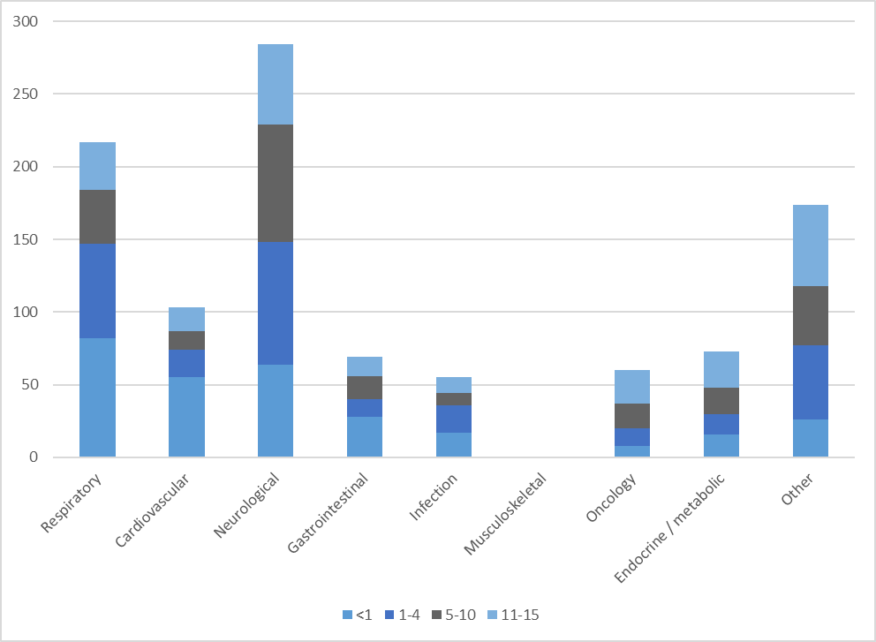

Notes
1) Primary diagnosis group classification is based on CT3 (The Read Codes). Further information on the primary diagnostic groups can be found in the Data Description Document.
2) Further information on the definition of each transport team category can be found in the Data Description Document.
3) Based on retrieval and transfer data from the admissions dataset
4) 'Other' includes a mixture of diagnoses but also some coding where a non-diagnostic Read code was given e.g. 'Post-surgical wound care', this practice varies by organisation.

22
...
TABLE 22 ADMISSIONS BY ORGANISATION AND TRANSPORT TEAM TYPE FOR RETRIEVALS AND TRANSFERS, 2018 - 2020
Total | 136 | (0.8) | 13,333 | (78.9) | 1,784 | (10.6) | 504 | (3.0) | 1036 | (6.1) | 55 | (0.3) | 16,895

Notes
1) Further information on the definition of each transport team category can be found in the Data Description Document.
2) Based on retrieval and transfer data from the admissions dataset
3) Row totals and the grand total include suppressed values. Column totals exclude suppressed values

FIGURE 22 ADMISSIONS BY TRANSPORT TEAM TYPE FOR RETRIEVALS AND TRANSFERS
Figure 22 shows the proportion of admissions, by transport team type, by organisation, for the three years of the reporting period combined.

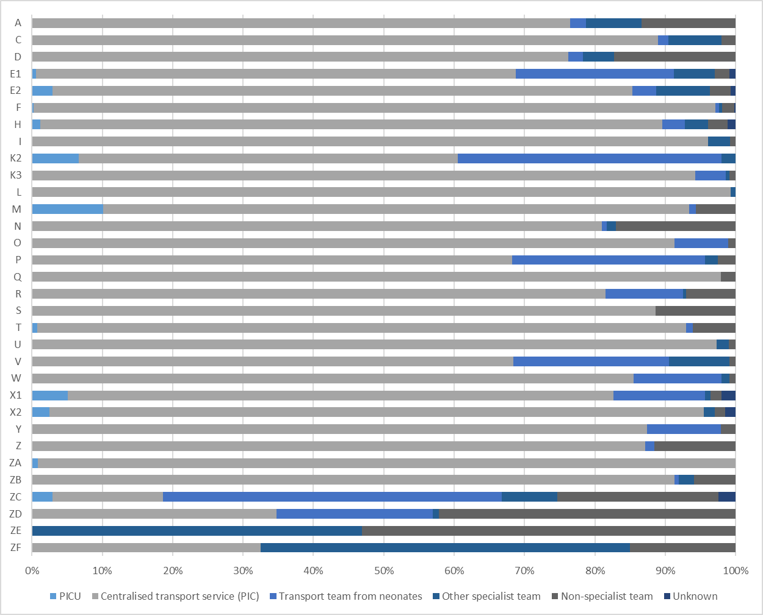

Notes
1) Further information on the definition of each transport team category can be found in the Data Description Document.
2) Based on retrieval and transfer data from the admissions dataset

