27
TABLE 27 BED DAYS BY AGE AND SEX, 2018 - 2020
Tables 27 presents data on total bed days delivered during the reporting period, by sex and year of age of the child.
For this table, and Figure 27 below, children admitted prior to the report period, but discharged during it, are counted from 00:00 on 1 January 2018 until their discharge (or until 23:59 on 31 December 2020 if not discharged). Children admitted during the report period but discharged in 2021 (or who are still on the PICU) are counted from their admission date until 23:59 on 31 December 2020.
Rows in this table show the number of bed days for male, female children, in the reporting period, for each year of age.
The percentages in the white columns show row percentages, i.e. what proportion of bed days were for children of each sex, for each year of age. The percentages in the "Total" column show column percentages, i.e. what proportion of all bed days were accounted for by children of each year of age.
Age (Years) | Male | Male (%) | Female | Female (%) | Total | Total (%)
0 | 124,571 | (58.3) | 89,191 | (41.7) | 213,762 | (53.3)
1 | 19,747 | (53.5) | 17,135 | (46.5) | 36,882 | (9.2)
2 | 11,947 | (58.5) | 8,470 | (41.5) | 20,417 | (5.1)
3 | 9,074 | (55.5) | 7,280 | (44.5) | 16,354 | (4.1)
4 | 7,739 | (58.5) | 5,494 | (41.5) | 13,233 | (3.3)
5 | 6,408 | (59.6) | 4,338 | (40.4) | 10,746 | (2.7)
6 | 5,972 | (63.0) | 3,512 | (37.0) | 9,484 | (2.4)
7 | 4,284 | (52.0) | 3,954 | (48.0) | 8,238 | (2.1)
8 | 4,405 | (55.8) | 3,489 | (44.2) | 7,894 | (2.0)
9 | 4,121 | (54.4) | 3,455 | (45.6) | 7,576 | (1.9)
10 | 4,623 | (58.3) | 3,301 | (41.7) | 7,924 | (2.0)
11 | 4,694 | (53.3) | 4,119 | (46.7) | 8,813 | (2.2)
12 | 4,177 | (49.9) | 4,187 | (50.1) | 8,364 | (2.1)
13 | 5,467 | (54.5) | 4,567 | (45.5) | 10,034 | (2.5)
14 | 5,889 | (54.8) | 4,848 | (45.2) | 10,737 | (2.7)
15 | 5,635 | (54.5) | 4,707 | (45.5) | 10,342 | (2.6)
Total | 228,753 | (57.1) | 172,047 | (42.9) | 400,800

Notes
1) The total number of bed days delivered is calculated as the sum of children receiving intensive care in a PICU each day.
2) Bed days for admissions where the child is of ambiguous sex are not presented by individual year of age due to statistical disclosure control
3) Some children who are being cared for at home are not necessarily immediately discharged from PICU, instead a bed is kept open until discharge, this may be true for a very small amount of the bed days recorded.
4) When filtering, the numbers and percentages shown in the 'Total' row include children of ambiguous gender in the denominator
5) Column totals and the grand total include suppressed values. Row totals exclude suppressed values.
6) Admissions where the child is of ambiguous sex are not presented (n=2)

FIGURE 27 BED DAYS BY AGE AND SEX, 2018 - 2020
Figure 27 shows the number of bed days, by gender, for the whole reporting period combined, for males and females.
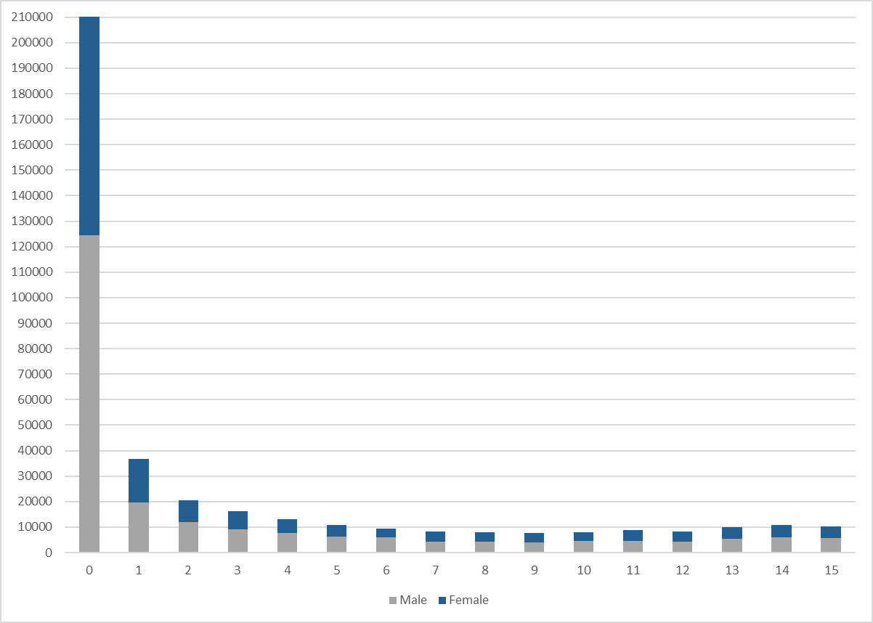

Notes
1) The total number of bed days delivered is calculated as the sum of children receiving intensive care in a PICU each day.
2) Some children who are being cared for at home are not necessarily immediately discharged from PICU, instead a bed is kept open until discharge, this may be true for a very small amount of the bed days recorded.

Fig30
FIGURES 30a-c BED CENSUS BY HEALTH ORGANISATION, ALL ADMISSIONS

Figure 30a shows a summary of bed census data by organisation for admissions in 2018, plotted using a box and whisker graph. This type of graph indicates the median by a line within the coloured box, the ends of which give the interquartile range (IQR). The lines ('whiskers') indicate values beyond the IQRs, although extreme outside values are not plotted. Figure 35b and 35c present analogous data for 2019 and 2020 respectively.
FIGURE 30a BED CENSUS BY HEALTH ORGANISATION, ALL ADMISSIONS, 2018

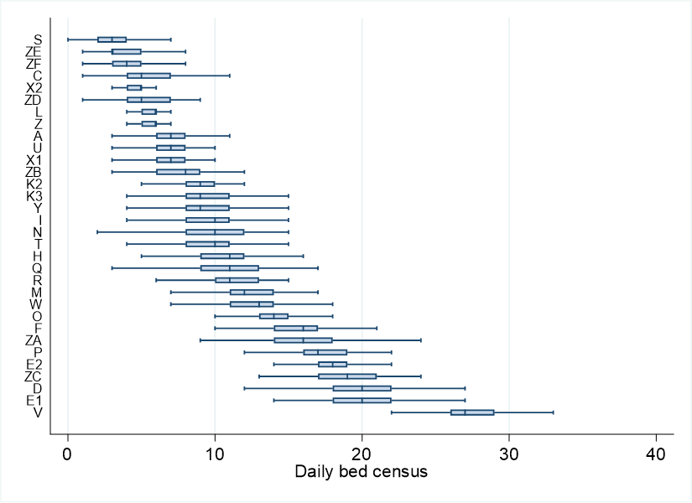

FIGURE 30b BED CENSUS BY HEALTH ORGANISATION, ALL ADMISSIONS, 2019

FIGURE 30c BED CENSUS BY HEALTH ORGANISATION, ALL ADMISSIONS, 2020

Notes
1) Patients aged 16 years and over are included in these figures
2) IQR = interquartile range
3) Some children who are being cared for at home are not necessarily immediately discharged from PICU, instead a bed is kept open until discharge, this may be true for a very small amount of the bed days recorded.

