Figure PCCMDS 1
FIGURE PCCMDS 1 ACTIVITY BY HEALTH ORGANISATION, 2018 - 2020
Figure PCCMDS 1 shows the proportion of days of care delivered over the reporting period at each HRG group level, by organisation. It includes all admissions (including patients aged 16+)

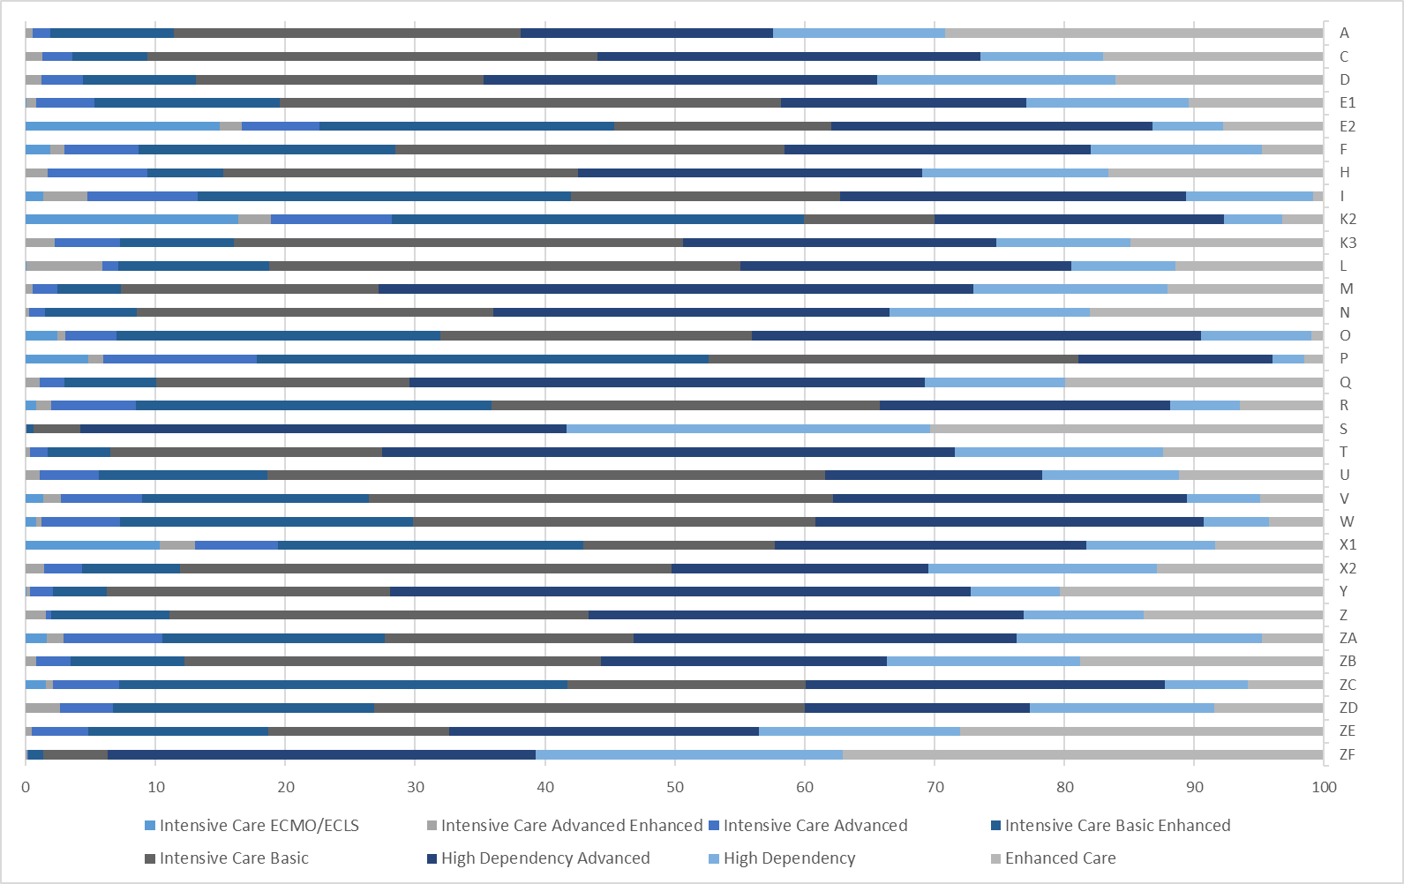

Notes
1) Based on admissions for which PCCMDS data were available.

Figure PCCMDS 4
FIGURE PCCMDS 4 PREDICTED AND OBSERVED DEATH RATES BY INITIAL HRG, 2018-2020
Figure PCCMDS 4 shows expected and observed deaths, by initial HRG for each admission, with error bars.
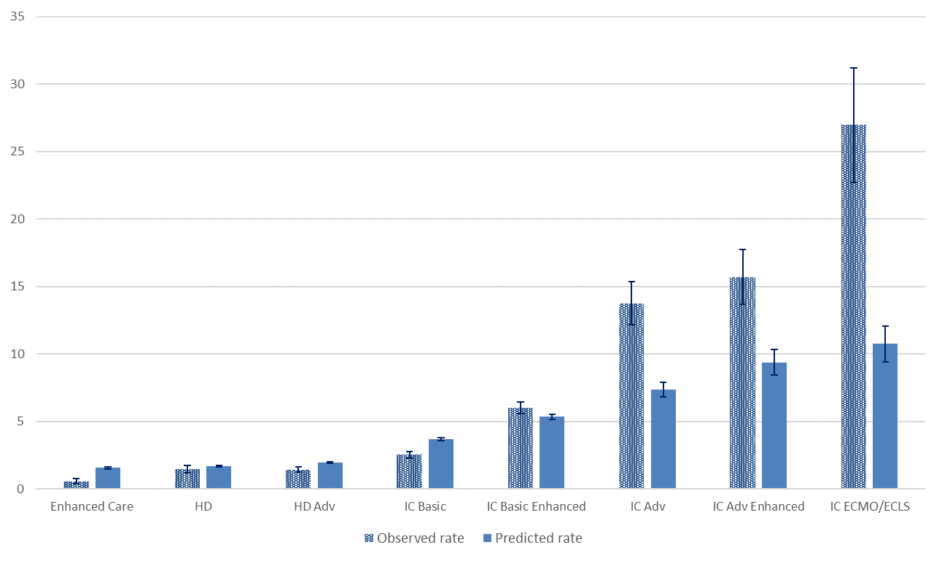

Notes
1) Based on admissions for which PCCMDS data were available.
2) Predicted mortality is based on the Paediatric Index of Mortality 3 (PIM3)REF(2) recalibrated in 2021.

