2.1
TABLE 2.1 RETRIEVALS / TRANSFERS BY TEAM TYPE AND AGE
Table 2.1 presents the number of retrievals/transfers for each year of the reporting period, by transport team type and age group in years (for children aged <16 years).
Rows in this table show the number of retrieval/transfers by each transport team type, for children falling into each age category, in the reporting period. The 'Total' column shows the number of retrieval/transfers for each transport team type in each year of the reporting period.
The percentages in the age group columns show row percentages, i.e. what proportion of all retrievals/transfer were in each age category for each transport team type in each year. The percentages in the 'Total' column show column percentages, i.e. what proportion of retrievals/transfers for a specific year were undertaken by each type of transport team.

Year | Transport organisation type | Under 1 year |  | 1-4 years |  | 5-10 years |  | 11-15 years |  | Total
 |  | n | (%) | n | (%) | n | (%) | n | (%) | n | (%)
2019 | Centralised transport service (PIC) | 2,519 | (51.3) | 1,240 | (25.3) | 633 | (12.9) | 515 | (10.5) | 4,907 | (81.1)
2018 | Non-specialist team | 105 | (28.8) | 101 | (27.7) | 68 | (18.7) | 90 | (24.7) | 364 | (6.0)
2018 | Other specialist team | 66 | (37.9) | 48 | (27.6) | 23 | (13.2) | 37 | (21.3) | 174 | (2.9)
2018 | PICU | 27 | (56.3) | 14 | (29.2) | 4 | (8.3) | 3 | (6.3) | 48 | (0.8)
2018 | Transport team from neonates | 529 | (98.5) | 3 | (0.6) | 5 | (0.9) | 0 | (0.0) | 537 | (8.9)
2018 | Unknown | 13 | (65.0) | 4 | (20.0) |  |  |  |  | 20 | (0.3)
2019 | Total | 3,259 | (53.9) | 1,410 | (23.3) | 733 | (12.1) | 645 | (10.7) | 6,050
2020 | Centralised transport service (PIC) | 1,785 | (49.4) | 792 | (21.9) | 546 | (15.1) | 492 | (13.6) | 3,615 | (75.2)
2019 | Non-specialist team | 77 | (25.0) | 70 | (22.7) | 81 | (26.3) | 80 | (26.0) | 308 | (6.4)
2019 | Other specialist team | 83 | (45.9) | 36 | (19.9) | 28 | (15.5) | 34 | (18.8) | 181 | (3.8)
2019 | PICU | 21 | (45.7) | 5 | (10.9) | 12 | (26.1) | 8 | (17.4) | 46 | (1.0)
2019 | Transport team from neonates | 651 | (99.5) | 0 | (0.0) |  |  |  |  | 654 | (13.6)
2019 | Unknown | 0 | (0.0) |  |  |  |  |  |  | 5 | (0.1)
2020 | Total | 2,617 | (54.4) | 903 | (18.8) | 667 | (13.9) | 614 | (12.8) | 4,809
2021 | Centralised transport service (PIC) | 2,166 | (45.3) | 1,153 | (24.1) | 731 | (15.3) | 729 | (15.3) | 4,779 | (79.4)
2020 | Non-specialist team | 110 | (31.0) | 105 | (29.6) | 68 | (19.2) | 72 | (20.3) | 355 | (5.9)
2020 | Other specialist team | 63 | (41.2) | 44 | (28.8) | 18 | (11.8) | 28 | (18.3) | 153 | (2.5)
2020 | PICU | 26 | (42.6) | 16 | (26.2) | 5 | (8.2) | 14 | (23.0) | 61 | (1.0)
2020 | Transport team from neonates | 660 | (99.1) | 4 | (0.6) |  |  |  |  | 666 | (11.1)
2020 | Unknown | 3 | (42.9) |  |  |  |  | 3 | (42.9) | 7 | (0.1)
2021 | Total | 3,028 | (50.3) | 1,322 | (22.0) | 822 | (13.7) | 846 | (14.1) | 6,021
Grand | Total | 8,904 | (52.7) | 3,635 | (21.5) | 2,222 | (13.2) | 2,105 | (12.5) | 16,880

Notes
1) Further information on the definition of each transport team category can be found in the Data Description Document.
2) Based on retrieval and transfer data from the admissions dataset
3) Row totals and the grand total include suppressed values. Column totals exclude suppressed values.

FIGURES 2.1a, 2.1b, 2.1c RETRIEVALS / TRANSFERS BY TEAM TYPE AND AGE
Figures 2.1a, 2.1b and 2.1c show the number of retrievals/transfers by age for centralised transport services, non-specialist teams and other specialist teams respectively.
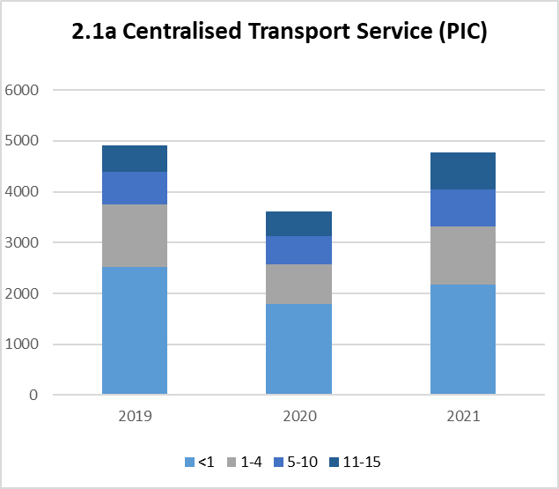
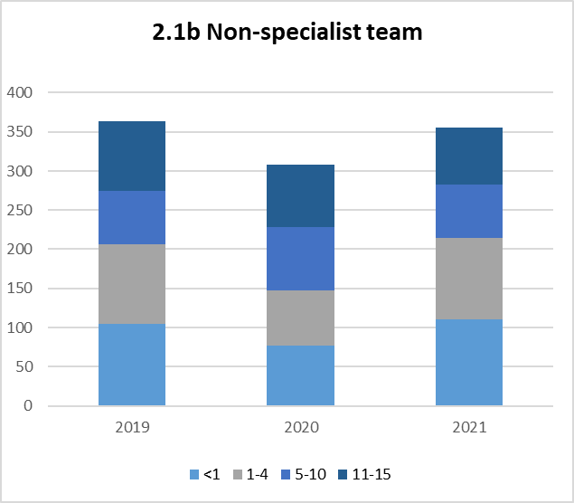
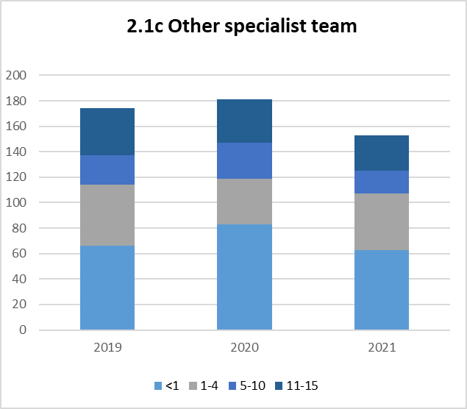

Notes
1) Further information on the definition of each transport team category can be found in the Data Description Document.
2) Based on retrieval and transfer data from the admissions dataset

2.2
TABLE 2.2 SPECIALIST TEAM RETRIEVALS / TRANSFERS BY DIAGNOSTIC GROUP AND AGE, 2019 - 2021
Table 2.2 presents the number of retrievals/transfers by specialist teams, by diagnostic group and age group in years, for the three years of the reporting period combined.
Rows in this table show the number of retrieval/transfers by specialist teams, for children falling into each age category and diagnostic grouping, in the reporting period. The 'Total' column shows the number of retrieval/transfers by specialist teams, for each diagnostic group, in the reporting period.
The percentages in the age group columns show row percentages, i.e. what proportion of all retrievals/transfer made by specialist transport teams for a given diagnostic group, were for children in each age category. The percentages in the 'Total' column show column percentages, i.e. what proportion of retrievals/transfers undertaken by specialist teams were in each diagnostic group.

Diagnostic group | Under 1 year |  | 1-4 years |  | 5-10 years |  | 11-15 years |  | Total
 | n | (%) | n | (%) | n | (%) | n | (%) | n | (%)
Respiratory | 3,198 | (57.6) | 1,375 | (24.8) | 554 | (10.0) | 426 | (7.7) | 5,553 | (35.1)
Cardiovascular | 2,331 | (76.6) | 254 | (8.3) | 193 | (6.3) | 266 | (8.7) | 3,044 | (19.2)
Neurological | 649 | (27.2) | 891 | (37.4) | 519 | (21.8) | 323 | (13.6) | 2,382 | (15.1)
Gastrointestinal | 842 | (79.1) | 73 | (6.9) | 69 | (6.5) | 80 | (7.5) | 1,064 | (6.7)
Infection | 602 | (52.9) | 281 | (24.7) | 141 | (12.4) | 114 | (10.0) | 1,138 | (7.2)
Musculoskeletal | 21 | (41.2) | 9 | (17.6) | 6 | (11.8) | 15 | (29.4) | 51 | (0.3)
Oncology | 53 | (23.5) | 65 | (28.8) | 55 | (24.3) | 53 | (23.5) | 226 | (1.4)
Endocrine / metabolic | 232 | (24.1) | 163 | (17.0) | 286 | (29.8) | 280 | (29.1) | 961 | (6.1)
Other | 663 | (47.5) | 243 | (17.4) | 186 | (13.3) | 304 | (21.8) | 1396 | (8.8)
Unknown | 5 | (83.3) |  |  |  |  | 0 | (0.0) | 6 | (0.0)
Grand Total | 8,596 | (54.3) | 3,353 | (21.2) | 2,009 | (12.7) | 1,861 | (11.8) | 15,821

Notes
1) Specialist teams are defined at CTS, PICU, Transport team from neonates and other specialist teams.
2) Primary diagnosis group classification is based on CTV3 (The Read Codes). Further information on the primary diagnostic groups can be found in the Data Description Document.
3) Further information on the definition of each transport team category can be found in the Data Description Document.
4) Based on retrieval and transfer data from the admissions dataset
5) Diagnosis groups presented this year have been reduced to the top eight diagnosis groups plus admissions from all other primary diagnosis groups added to the 'Other' group and Unknown primary diagnosis group.
6) Diagnosis groups represented by other are: Blood / lymphatic, Body wall and cavities, Trauma, Multisystem and Other
7) Row totals and the grand total include suppressed values. Column totals exclude suppressed values.

FIGURE 2.2 SPECIALIST TEAM RETRIEVALS / TRANSFERS BY DIAGNOSTIC GROUP AND AGE, 2019 - 2021
Figure 2.2 shows the number of retrievals/transfers by specialist teams, in each diagnostic group, for the three years of the reporting period combined.
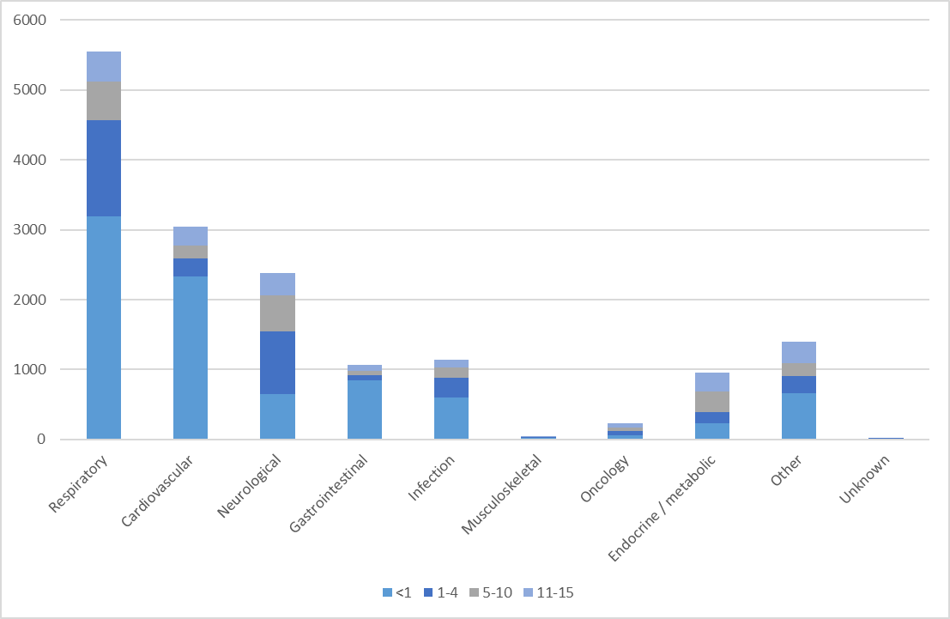

Notes
1) Specialist teams are defined at CTS, PICU, Transport team from neonates and other specialist teams
2) Primary diagnosis group classification is based on CTV3 (The Read Codes). Further information on the primary diagnostic groups can be found in the Data Description Document.
3) Further information on the definition of each transport team category can be found in the Data Description Document.
4) Based on retrieval and transfer data from the admissions dataset
5) Diagnosis groups presented this year have been reduced to the top eight diagnosis groups plus admissions from all other primary diagnosis groups added to the 'Other' group and Unknown primary diagnosis group.
6) Diagnosis groups represented by other are: Blood / lymphatic, Body wall and cavities, Trauma, Multisystem and Other

2.3
TABLE 2.3 NON - SPECIALIST TEAM RETRIEVALS / TRANSFERS BY DIAGNOSTIC GROUP AND AGE, 2019 - 2021
Table 2.3 presents the number of retrievals/transfers by non-specialist teams, by diagnostic group and age group in years, for the three years of the reporting period combined.
Rows in this table show the number of retrieval/transfers by non-specialist teams, for children falling into each age category and diagnostic grouping, in the reporting period. The 'Total' column shows the number of retrieval/transfers by non-specialist teams, for each diagnostic group, in the reporting period.
The percentages in the age group columns show row percentages, i.e. what proportion of all retrievals/transfer made by non-specialist transport teams for a given diagnostic group, were for children in each age category. The percentages in the 'Total' column show column percentages, i.e. what proportion of retrievals/transfers undertaken by non-specialist teams were in each diagnostic group.
Diagnostic group | Under 1 year |  | 1-4 years |  | 5-10 years |  | 11-15 years |  | Total
 | n | (%) | n | (%) | n | (%) | n | (%) | n | (%)
Respiratory | 92 | (43.6) | 67 | (31.8) | 26 | (12.3) | 26 | (12.3) | 211 | (20.5)
Cardiovascular | 53 | (58.2) | 16 | (17.6) | 9 | (9.9) | 13 | (14.3) | 91 | (8.9)
Neurological | 53 | (20.5) | 78 | (30.1) | 78 | (30.1) | 50 | (19.3) | 259 | (25.2)
Gastrointestinal | 29 | (42.0) | 7 | (10.1) | 17 | (24.6) | 16 | (23.2) | 69 | (6.7)
Infection | 15 | (27.8) | 20 | (37.0) | 5 | (9.3) | 14 | (25.9) | 54 | (5.3)
Musculoskeletal |  |  |  |  | 0 | (0.0) |  |  | 3 | (0.3)
Oncology | 6 | (9.2) | 17 | (26.2) | 20 | (30.8) | 22 | (33.8) | 65 | (6.3)
Body wall and cavities | 12 | (75.0) |  |  |  |  |  |  | 16 | (1.6)
Other | 31 | (12.0) | 69 | (26.6) | 60 | (23.2) | 99 | (38.2) | 259 | (25.2)
Grand Total | 291 | (28.3) | 274 | (26.7) | 215 | (20.9) | 240 | (23.4) | 1,027

Notes
1) Primary diagnosis group classification is based on CT3 (The Read Codes). Further information on the primary diagnostic groups can be found in the Data Description Document.
2) Further information on the definition of each transport team category can be found in the Data Description Document.
3) Based on retrieval and transfer data from the admissions dataset
4) Diagnosis groups presented this year have been reduced to the top eight diagnosis groups plus admissions from all other primary diagnosis groups added to the 'Other' group and Unknown primary diagnosis group.
5) Diagnosis groups represented by other are: Blood / lymphatic, Body wall and cavities, Trauma, Multisystem and Other
6) Row totals and the grand total include suppressed values. Column totals exclude suppressed values.

FIGURE 2.3 NON - SPECIALIST TEAM RETRIEVALS / TRANSFERS BY DIAGNOSTIC GROUP AND AGE, 2019 - 2021
Figure 2.3 shows the number of retrievals/transfers by non-specialist teams, in each diagnostic group, by age, for the three years of the reporting period combined.
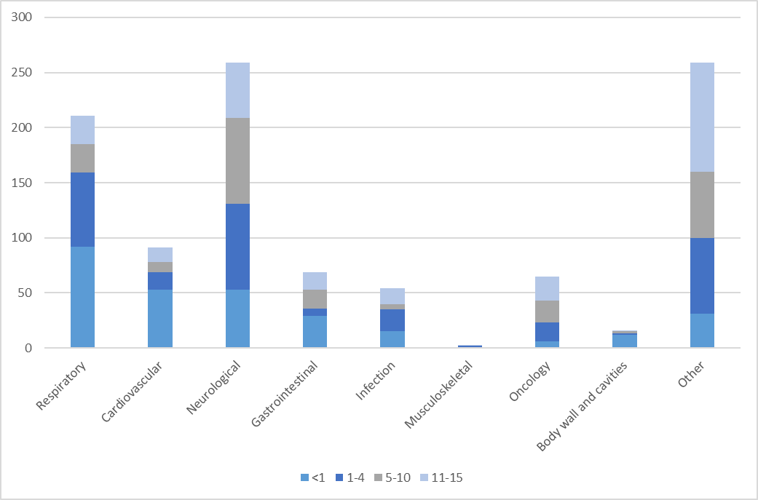

Notes
1) Primary diagnosis group classification is based on CT3 (The Read Codes). Further information on the primary diagnostic groups can be found in the Data Description Document.
2) Further information on the definition of each transport team category can be found in the Data Description Document.
3) Based on retrieval and transfer data from the admissions dataset
4) Diagnosis groups presented this year have been reduced to the top eight diagnosis groups plus admissions from all other primary diagnosis groups added to the 'Other' group and Unknown primary diagnosis group.
5) Diagnosis groups represented by other are: Blood / lymphatic, Body wall and cavities, Trauma, Multisystem and Other

2.4
TABLE 2.4 ADMISSIONS BY ORGANISATION AND TRANSPORT TEAM TYPE FOR RETRIEVALS AND TRANSFERS, 2019 - 2021
Table 2.4 presents the number of admissions, by organisation and transport team type, for the three reporting years combined.
Rows in this table show the number of admissions for retrievals/transfers, by transport team type, for organisation, for all three reporting years. The 'Total' column shows the number of admissions for retrieval/transfers for each transport team type, for each organisation, for each year in the reporting period.
The percentages in the transport team type columns show row percentages, i.e. what proportion of all admissions for retrievals/transfer, for admissions to each organisation, were for each transport team type. The percentages in the 'Total' column show column percentages, i.e. what proportion of admissions were to each organisation, for each year.
Organisation | PICU | PICU (%) | Centralised transport service (PIC) | Centralised transport service (PIC) (%) | Transport team from neonates | Transport team from neonates (%) | Other specialist team | Other specialist team (%) | Non-specialist team | Non-specialist team (%) | Unknown | Unknown (%) | Total | Total (%)
A |  |  | 411 | (76.7) | 10 | (1.9) | 46 | (8.6) | 66 | (12.3) |  |  | 536 | (3.2)
C |  |  | 311 | (86.6) | 5 | (1.4) | 35 | (9.7) | 6 | (1.7) |  |  | 359 | (2.1)
D | 0 | (0.0) | 419 | (76.6) | 19 | (3.5) | 21 | (3.8) | 88 | (16.1) | 0 | (0.0) | 547 | (3.2)
E1 | 8 | (0.4) | 1,374 | (73.4) | 377 | (20.1) | 98 | (5.2) | 10 | (0.5) | 6 | (0.3) | 1,873 | (11.1)
E2 | 17 | (3.9) | 362 | (82.6) | 17 | (3.9) | 33 | (7.5) |  |  |  |  | 438 | (2.6)
F |  |  | 1,318 | (97.0) | 9 | (0.7) | 6 | (0.4) | 19 | (1.4) |  |  | 1,359 | (8.1)
H | 18 | (4.3) | 357 | (84.8) | 12 | (2.9) | 16 | (3.8) | 8 | (1.9) | 10 | (2.4) | 421 | (2.5)
I | 0 | (0.0) | 359 | (95.7) | 0 | (0.0) | 14 | (3.7) |  |  |  |  | 375 | (2.2)
K2 | 13 | (6.8) | 94 | (49.5) | 76 | (40.0) | 4 | (2.1) | 3 | (1.6) | 0 | (0.0) | 190 | (1.1)
K3 |  |  | 473 | (94.8) | 18 | (3.6) |  |  | 5 | (1.0) | 0 | (0.0) | 499 | (3.0)
L | 0 | (0.0) | 367 | (99.2) | 0 | (0.0) |  |  |  |  | 0 | (0.0) | 370 | (2.2)
M | 38 | (11.1) | 283 | (82.5) | 3 | (0.9) | 3 | (0.9) | 16 | (4.7) | 0 | (0.0) | 343 | (2.0)
N |  |  | 408 | (86.4) |  |  | 7 | (1.5) | 54 | (11.4) | 0 | (0.0) | 472 | (2.8)
O |  |  | 420 | (91.7) | 34 | (7.4) |  |  |  |  | 0 | (0.0) | 458 | (2.7)
P |  |  | 554 | (67.4) | 226 | (27.5) | 7 | (0.9) | 29 | (3.5) |  |  | 822 | (4.9)
Q | 0 | (0.0) | 509 | (96.2) |  |  | 7 | (1.3) | 12 | (2.3) |  |  | 529 | (3.1)
R | 0 | (0.0) | 754 | (85.5) | 76 | (8.6) | 6 | (0.7) | 46 | (5.2) | 0 | (0.0) | 882 | (5.2)
S | 0 | (0.0) | 35 | (83.3) | 0 | (0.0) |  |  | 6 | (14.3) |  |  | 42 | (0.2)
T |  |  | 486 | (92.0) | 4 | (0.8) | 0 | (0.0) | 37 | (7.0) |  |  | 528 | (3.1)
U | 0 | (0.0) | 640 | (95.0) | 7 | (1.0) | 22 | (3.3) | 5 | (0.7) | 0 | (0.0) | 674 | (4.0)
V | 3 | (0.3) | 643 | (65.0) | 272 | (27.5) | 62 | (6.3) | 9 | (0.9) | 0 | (0.0) | 989 | (5.9)
W |  |  | 561 | (87.8) | 67 | (10.5) | 5 | (0.8) | 5 | (0.8) |  |  | 639 | (3.8)
X1 | 4 | (1.3) | 274 | (91.3) | 13 | (4.3) | 4 | (1.3) |  |  |  |  | 300 | (1.8)
X2 |  |  | 232 | (97.5) | 0 | (0.0) | 3 | (1.3) |  |  | 0 | (0.0) | 238 | (1.4)
X3 | 0 | (0.0) | 21 | (100.0) | 0 | (0.0) | 0 | (0.0) | 0 | (0.0) | 0 | (0.0) | 21 | (0.1)
Y |  |  | 309 | (77.4) | 61 | (15.3) | 4 | (1.0) | 24 | (6.0) |  |  | 399 | (2.4)
Z | 0 | (0.0) | 271 | (90.0) | 3 | (1.0) |  |  | 24 | (8.0) |  |  | 301 | (1.8)
ZA | 3 | (0.8) | 351 | (98.6) | 0 | (0.0) |  |  | 0 | (0.0) |  |  | 356 | (2.1)
ZB | 0 | (0.0) | 366 | (79.7) |  |  | 36 | (7.8) | 55 | (12.0) |  |  | 459 | (2.7)
ZC | 28 | (3.9) | 141 | (19.6) | 338 | (46.9) |  |  | 189 | (26.3) |  |  | 720 | (4.3)
ZD |  |  | 187 | (28.0) | 205 | (30.7) | 4 | (0.6) | 271 | (40.6) |  |  | 668 | (4.0)
ZE | 0 | (0.0) |  |  |  |  | 10 | (41.7) | 11 | (45.8) | 0 | (0.0) | 24 | (0.1)
ZF |  |  | 9 | (18.4) |  |  | 23 | (46.9) | 14 | (28.6) | 0 | (0.0) | 49 | (0.3)
Total | 132 | (0.8) | 13,299 | (78.8) | 1,852 | (11.0) | 476 | (2.8) | 1,012 | (6.0) | 16 | (0.1) | 16,880

Notes
1) Further information on the definition of each transport team category can be found in the Data Description Document.
2) Based on retrieval and transfer data from the admissions dataset
3) Row totals and the grand total include suppressed values. Column totals exclude suppressed values
4) X1, X3 and ZE were not open for all three years of the reporting period therefore their values can not be considered comparable. For further details please refer to the data description document attached to this report.

FIGURE 2.4 ADMISSIONS BY TRANSPORT TEAM TYPE FOR RETRIEVALS AND TRANSFERS
Figure 2.4 shows the proportion of admissions, by transport team type, by organisation, for the three years of the reporting period combined.
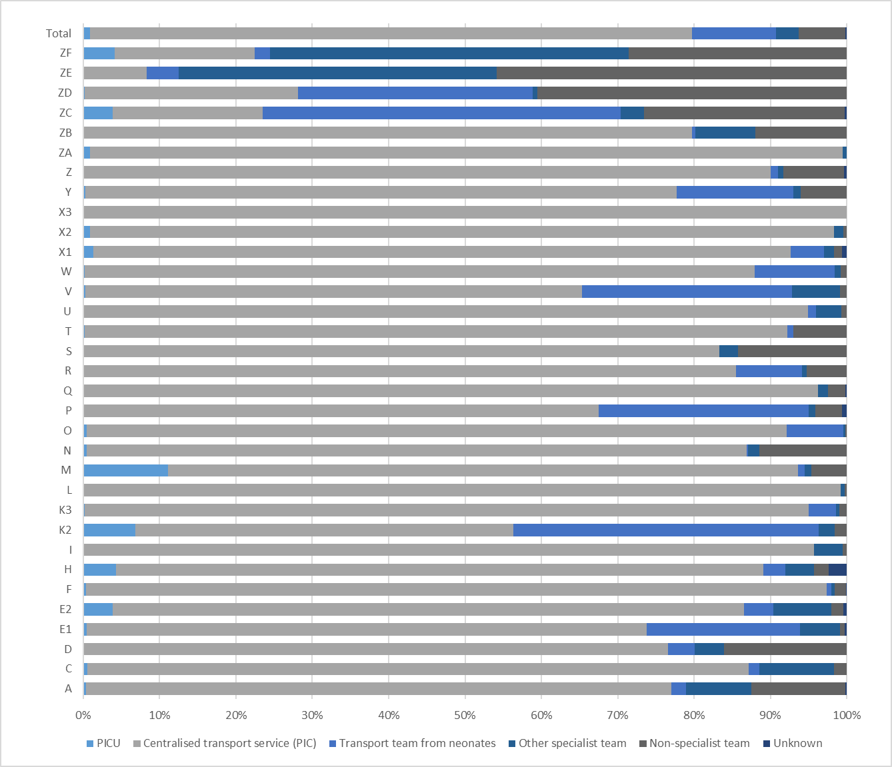

Notes
1) Further information on the definition of each transport team category can be found in the Data Description Document.
2) Based on retrieval and transfer data from the admissions dataset
3) X1, X3 and ZE were not open for all three years of the reporting period therefore their values can not be considered comparable. For further details please refer to the data description document attached to this report.

