Fig5.2
FIGURE 5.2 AGE-SEX ADJUSTED PREVALENCE BY NATION AND CCG/HEALTH BOARD/COUNTY, 2019 - 2021
Figure 5.2 shows the number of admissions to PICU per 100,000 population under 16. The five values refer to the overall prevalence for an average year 2019-2021 for each nation. The shading shows the relative prevalence by CCG area or equivalent, with darker shading indicating a higher prevalence for that area
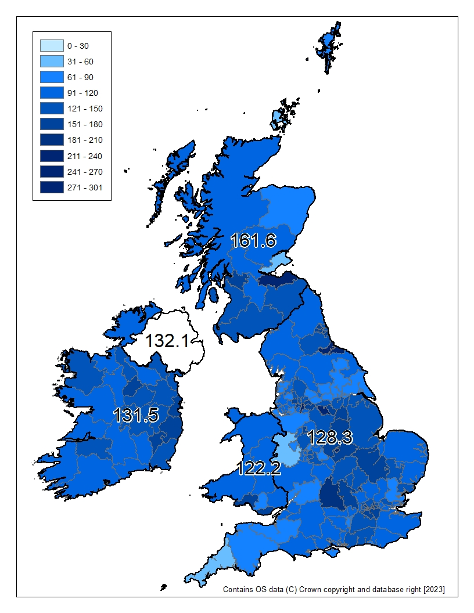

1) Based on healthcare area of residence
2) Children with unknown or ambiguous sex are excluded from this analysis
3) For children treated in England, postcode was used to identify the patient's healthcare area based on residence. Please note that for the 2022 Annual Report it was not possible to validate all addresses prior to undertaking this analysis and where a postcode did not link to a health board the child's area of residence was treated as missing.
4) Calculation of prevalence uses populations obtained from the Office of National Statistics.
5) UK population estimates are based on mid-year 2020 age-sex data for each CCG / Health Board (based on 2020 geography) where availableREF(10)
6) ROI population estimates are based on 2016 age-sex data for each CountyREF(7)
7) Prevalence by CCG ranges from 60 to 308 per 100,000 children. Values can be found in tables 52-55
8) Northern Ireland and Isle of Man excluded due to difficulty in locating patients

