Fig4.9a
FIGURE 4.9a UNPLANNED EXTUBATION RATES BY HEALTH ORGANISATION (ALL ADMISSIONS)
Figure 4.9a shows the rate of unplanned extubations (per 1,000 intubated days) for each organisation, for all unplanned extubations occurring in each year of the reporting period.
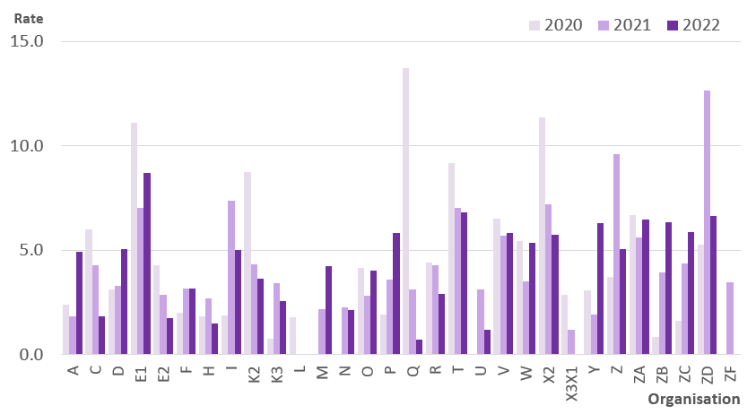

Notes
1) Unplanned extubations occurring in the reporting period, regardless of admission date
2) Data presented based on year unplanned extubation occurred
3) Includes patients aged 16 years and above and those of unknown age

Fig4.9b
FIGURE 4.9b UNPLANNED EXTUBATION RATES BY HEALTH ORGANISATION (0-15 YEARS)
Figure 4.9b shows the rate of unplanned extubations (per 1,000 intubated days) for each organisation, for unplanned extubations occurring for 0-15 year olds in each year of the reporting period.

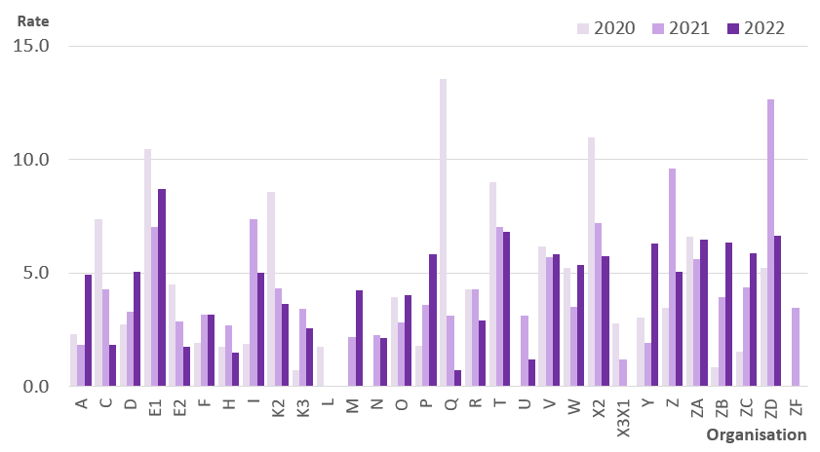

Notes
1) Unplanned extubations occurring in the reporting period, regardless of admission date
2) Data presented based on year unplanned extubation occurred

